Dr.Comfort
ITEM NUMBER | DESCRIPTION | Category | 1 | STYLE COLOR | UNITS
4530-W-05.5 | ANNIE BEIGE 05.5 WD | Womens Sneaker | ANNIE BEIGE 05.5 WD | ANNIE BEIGE | 1
4530-X-05.5 | ANNIE BEIGE 05.5 XW | Womens Sneaker | ANNIE BEIGE 05.5 XW | ANNIE BEIGE | 1
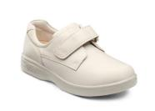
4530-M-06.0 | ANNIE BEIGE 06.0 MD | Womens Sneaker | ANNIE BEIGE 06.0 MD | ANNIE BEIGE | 3
4530-X-06.0 | ANNIE BEIGE 06.0 XW | Womens Sneaker | ANNIE BEIGE 06.0 XW | ANNIE BEIGE | 20
4530-M-07.5 | ANNIE BEIGE 07.5 MD | Womens Sneaker | ANNIE BEIGE 07.5 MD | ANNIE BEIGE | 6
4530-M-08.0 | ANNIE BEIGE 08.0 MD | Womens Sneaker | ANNIE BEIGE 08.0 MD | ANNIE BEIGE | 15
4530-X-08.5 | ANNIE BEIGE 08.5 XW | Womens Sneaker | ANNIE BEIGE 08.5 XW | ANNIE BEIGE | 5
4530-W-11.0 | ANNIE BEIGE 11.0 WD | Womens Sneaker | ANNIE BEIGE 11.0 WD | ANNIE BEIGE | 12
4930-M-05.5 | ANNIE X BEIGE 05.5 MD | Womens Sneaker | ANNIE_X BEIGE 05.5 MD | ANNIE_X BEIGE | 7
4930-W-05.5 | ANNIE X BEIGE 05.5 WD | Womens Sneaker | ANNIE_X BEIGE 05.5 WD | ANNIE_X BEIGE | 2
4930-W-06.0 | ANNIE X BEIGE 06.0 WD | Womens Sneaker | ANNIE_X BEIGE 06.0 WD | ANNIE_X BEIGE | 45
4930-X-06.5 | ANNIE X BEIGE 06.5 XW | Womens Sneaker | ANNIE_X BEIGE 06.5 XW | ANNIE_X BEIGE | 42
4930-M-07.5 | ANNIE X BEIGE 07.5 MD | Womens Sneaker | ANNIE_X BEIGE 07.5 MD | ANNIE_X BEIGE | 4
4930-M-09.5 | ANNIE X BEIGE 09.5 MD | Womens Sneaker | ANNIE_X BEIGE 09.5 MD | ANNIE_X BEIGE | 12
4910-M-06.0 | ANNIE X BLACK 06.0 MD | Womens Sneaker | ANNIE_X BLACK 06.0 MD | ANNIE_X BLACK | 1
 |  |  |  |  | 176
3830-A-08.0 | BETTY BEIGE 08.0 NR | Womens Sneaker | BETTY BEIGE 08.0 NR | BETTY BEIGE | 9
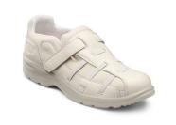
3830-X-10.5 | Betty Beige 10 1/2 XWide | Womens Sneaker | Betty Beige 10 1/2 XWide | BETTY BEIGE | 16
3830-M-10.0 | Betty Beige 10 Med | Womens Sneaker | Betty Beige 10 Med | BETTY BEIGE | 169
3830-A-10.0 | BETTY BEIGE 10.0 NR | Womens Sneaker | BETTY BEIGE 10.0 NR | BETTY BEIGE | 9
3830-A-10.5 | BETTY BEIGE 10.5 NR | Womens Sneaker | BETTY BEIGE 10.5 NR | BETTY BEIGE | 9
3830-M-11.0 | Betty Beige 11 Med | Womens Sneaker | Betty Beige 11 Med | BETTY BEIGE | 145
3830-A-11.0 | BETTY BEIGE 11.0 NR | Womens Sneaker | BETTY BEIGE 11.0 NR | BETTY BEIGE | 9
3830-M-12.0 | Betty Beige 12 Med | Womens Sneaker | Betty Beige 12 Med | BETTY BEIGE | 68
3830-W-12.0 | Betty Beige 12 Wide | Womens Sneaker | Betty Beige 12 Wide | BETTY BEIGE | 24
3830-M-04.0 | Betty Beige 4 Med | Womens Sneaker | Betty Beige 4 Med | BETTY BEIGE | 27
3830-W-04.0 | Betty Beige 4 Wide | Womens Sneaker | Betty Beige 4 Wide | BETTY BEIGE | 18
3830-M-05.0 | Betty Beige 5 Med | Womens Sneaker | Betty Beige 5 Med | BETTY BEIGE | 18
3830-M-07.0 | Betty Beige 7 Med | Womens Sneaker | Betty Beige 7 Med | BETTY BEIGE | 2
3830-M-08.0 | Betty Beige 8 Med | Womens Sneaker | Betty Beige 8 Med | BETTY BEIGE | 73
3830-M-09.0 | Betty Beige 9 Med | Womens Sneaker | Betty Beige 9 Med | BETTY BEIGE | 108

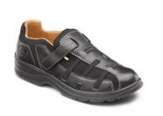
3810-A-08.0 | BETTY BLACK 08.0 NR | Womens Shoe | BETTY BLACK 08.0 NR | BETTY BLACK | 5
3810-A-10.0 | BETTY BLACK 10.0 NR | Womens Shoe | BETTY BLACK 10.0 NR | BETTY BLACK | 9
3810-M-12.0 | Betty Black 12 Med | Womens Shoe | Betty Black 12 Med | BETTY BLACK | 18
3810-M-04.0 | Betty Black 4 Med | Womens Shoe | Betty Black 4 Med | BETTY BLACK | 36
3810-W-04.0 | Betty Black 4 Wide | Womens Shoe | Betty Black 4 Wide | BETTY BLACK | 36
3810-M-05.0 | Betty Black 5 Med | Womens Shoe | Betty Black 5 Med | BETTY BLACK | 54
3810-M-04.5 | BETTY BLACK MED UK-2/US-4.5 | Womens Shoe | BETTY BLACK MED UK-2/US-4.5 | BETTY BLACK | 4
3810-X-04.0 | BETTY BLACK XWIDE UK-1.5/US-4 | Womens Shoe | BETTY BLACK XWIDE UK-1.5/US-4 | BETTY BLACK | 13
3810-X-05.0 | BETTY BLACK XWIDE UK-2.5/US-5 | Womens Shoe | BETTY BLACK XWIDE UK-2.5/US-5 | BETTY BLACK | 15
3810-X-06.0 | BETTY BLACK XWIDE UK-3.5/US-6 | Womens Shoe | BETTY BLACK XWIDE UK-3.5/US-6 | BETTY BLACK | 1
 |  |  |  |  | 191
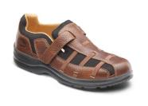
3820-M-05.0 | BETTY CHESTNUT 05.0 MD | Womens Shoe | BETTY CHESTNUT 05.0 MD | BETTY CHESTNUT | 2
3820-W-05.0 | BETTY CHESTNUT 05.0 WD | Womens Shoe | BETTY CHESTNUT 05.0 WD | BETTY CHESTNUT | 3
3820-M-05.5 | BETTY CHESTNUT 05.5 MD | Womens Shoe | BETTY CHESTNUT 05.5 MD | BETTY CHESTNUT | 6
3820-W-05.5 | BETTY CHESTNUT 05.5 WD | Womens Shoe | BETTY CHESTNUT 05.5 WD | BETTY CHESTNUT | 5
3820-X-05.5 | BETTY CHESTNUT 05.5 XW | Womens Shoe | BETTY CHESTNUT 05.5 XW | BETTY CHESTNUT | 18
3820-A-08.0 | BETTY CHESTNUT 08.0 NR | Womens Shoe | BETTY CHESTNUT 08.0 NR | BETTY CHESTNUT | 6
3820-A-10.0 | BETTY CHESTNUT 10.0 NR | Womens Shoe | BETTY CHESTNUT 10.0 NR | BETTY CHESTNUT | 6
3820-A-08.5 | Betty Chestnut 8 1/2 Narrow | Womens Shoe | Betty Chestnut 8 1/2 Narrow | BETTY CHESTNUT | 9
 |  |  |  |  | 55
1930-W-06.0 | BONITA CAMEL 06.0 WD |  | BONITA CAMEL 06.0 WD | BONITA CAMEL | 12
 |  |  |  |  | 12
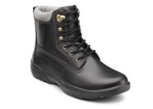
9510-W-06.0 | BOSS BLACK 06.0 WD | Mens Boots | BOSS BLACK 06.0 WD | BOSS BLACK | 24
9510-W-07.0 | BOSS BLACK 07.0 WD | Mens Boots | BOSS BLACK 07.0 WD | BOSS BLACK | 10
9510-W-07.5 | BOSS BLACK 07.5 WD | Mens Boots | BOSS BLACK 07.5 WD | BOSS BLACK | 153
9510-X-07.5 | BOSS BLACK 07.5 XW | Mens Boots | BOSS BLACK 07.5 XW | BOSS BLACK | 15
9510-M-10.0 | BOSS BLACK 10.0 MD | Mens Boots | BOSS BLACK 10.0 MD | BOSS BLACK | 36
9510-M-11.5 | BOSS BLACK 11.5 MD | Mens Boots | BOSS BLACK 11.5 MD | BOSS BLACK | 31
9510-W-06.5 | Boss Black 6 1/2 Wide | Mens Boots | Boss Black 6 1/2 Wide | BOSS BLACK | 29
9510-M-06.0 | Boss Black 6 Med | Mens Boots | Boss Black 6 Med | BOSS BLACK | 11
 |  |  |  |  | 309
9520-W-06.0 | BOSS CHESTNUT 06.0 WD | Mens Boots | BOSS CHESTNUT 06.0 WD | BOSS CHESTNUT | 24
9520-X-06.0 | BOSS CHESTNUT 06.0 XW | Mens Boots | BOSS CHESTNUT 06.0 XW | BOSS CHESTNUT | 31
9520-X-06.5 | BOSS CHESTNUT 06.5 XW | Mens Boots | BOSS CHESTNUT 06.5 XW | BOSS CHESTNUT | 18
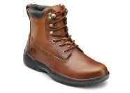
9520-X-07.0 | BOSS CHESTNUT 07.0 XW | Mens Boots | BOSS CHESTNUT 07.0 XW | BOSS CHESTNUT | 6
9520-W-07.5 | BOSS CHESTNUT 07.5 WD | Mens Boots | BOSS CHESTNUT 07.5 WD | BOSS CHESTNUT | 118
9520-W-08.0 | BOSS CHESTNUT 08.0 WD | Mens Boots | BOSS CHESTNUT 08.0 WD | BOSS CHESTNUT | 26
9520-W-09.0 | BOSS CHESTNUT 09.0 WD | Mens Boots | BOSS CHESTNUT 09.0 WD | BOSS CHESTNUT | 189
9520-W-09.5 | BOSS CHESTNUT 09.5 WD | Mens Boots | BOSS CHESTNUT 09.5 WD | BOSS CHESTNUT | 28
9520-M-11.5 | BOSS CHESTNUT 11.5 MD | Mens Boots | BOSS CHESTNUT 11.5 MD | BOSS CHESTNUT | 11
9520-W-12.0 | BOSS CHESTNUT 12.0 WD | Mens Boots | BOSS CHESTNUT 12.0 WD | BOSS CHESTNUT | 70
9520-M-13.0 | BOSS CHESTNUT 13.0 MD | Mens Boots | BOSS CHESTNUT 13.0 MD | BOSS CHESTNUT | 23
9520-W-13.0 | BOSS CHESTNUT 13.0 WD | Mens Boots | BOSS CHESTNUT 13.0 WD | BOSS CHESTNUT | 69
9520-M-14.0 | BOSS CHESTNUT 14.0 MD | Mens Boots | BOSS CHESTNUT 14.0 MD | BOSS CHESTNUT | 17
9520-W-15.0 | BOSS CHESTNUT 15.0 WD | Mens Boots | BOSS CHESTNUT 15.0 WD | BOSS CHESTNUT | 11
 |  |  |  |  | 641
6920-X-15.0 | Brian X Acorn 15 XWide | Mens Shoes | Brian_X Acorn 15 XWide | BRIAN_X ACORN | 2
6920-W-08.0 | Brian X Acorn 8 Wide | Mens Shoes | Brian_X Acorn 8 Wide | BRIAN_X ACORN | 1
6520-M-06.5 | BRIAN ACORN 06.5 MD | Mens Shoes | BRIAN ACORN 06.5 MD | BRIAN ACORN | 13
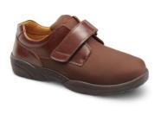
6520-X-06.5 | BRIAN ACORN 06.5 XW | Mens Shoes | BRIAN ACORN 06.5 XW | BRIAN ACORN | 1
6520-W-07.0 | BRIAN ACORN 07.0 WD | Mens Shoes | BRIAN ACORN 07.0 WD | BRIAN ACORN | 44
6520-M-07.5 | BRIAN ACORN 07.5 MD | Mens Shoes | BRIAN ACORN 07.5 MD | BRIAN ACORN | 5
6520-W-07.5 | BRIAN ACORN 07.5 WD | Mens Shoes | BRIAN ACORN 07.5 WD | BRIAN ACORN | 24
6520-W-08.0 | BRIAN ACORN 08.0 WD | Mens Shoes | BRIAN ACORN 08.0 WD | BRIAN ACORN | 15
6520-M-08.5 | BRIAN ACORN 08.5 MD | Mens Shoes | BRIAN ACORN 08.5 MD | BRIAN ACORN | 3
6520-M-09.5 | BRIAN ACORN 09.5 MD | Mens Shoes | BRIAN ACORN 09.5 MD | BRIAN ACORN | 3
6520-X-13.0 | BRIAN ACORN 13.0 XW | Mens Shoes | BRIAN ACORN 13.0 XW | BRIAN ACORN | 18
6520-M-14.0 | BRIAN ACORN 14.0 MD | Mens Shoes | BRIAN ACORN 14.0 MD | BRIAN ACORN | 1
6520-W-14.0 | BRIAN ACORN 14.0 WD | Mens Shoes | BRIAN ACORN 14.0 WD | BRIAN ACORN | 179
6520-M-15.0 | BRIAN ACORN 15.0 MD | Mens Shoes | BRIAN ACORN 15.0 MD | BRIAN ACORN | 11
6520-W-15.0 | BRIAN ACORN 15.0 WD | Mens Shoes | BRIAN ACORN 15.0 WD | BRIAN ACORN | 3
8110-W-07.0 | Captain Black 7 Wide | Mens Shoes | Captain Black 7 Wide | CAPTAIN BLACK | 2
8110-M-15.0 | CAPTAIN BLACK MED UK-14.5/US-15 | Mens Shoes | CAPTAIN BLACK MED UK-14.5/US-15 | CAPTAIN BLACK | 5
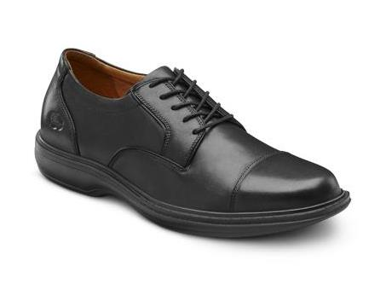
8110-M-06.0 | CAPTAIN BLACK MED UK-5.5/US-6 | Mens Shoes | CAPTAIN BLACK MED UK-5.5/US-6 | CAPTAIN BLACK | 233
8110-M-07.0 | CAPTAIN BLACK MED UK-6.5/US-7 | Mens Shoes | CAPTAIN BLACK MED UK-6.5/US-7 | CAPTAIN BLACK | 192
8110-M-08.0 | CAPTAIN BLACK MED UK-7.5/US-8 | Mens Shoes | CAPTAIN BLACK MED UK-7.5/US-8 | CAPTAIN BLACK | 35
8110-M-09.0 | CAPTAIN BLACK MED UK-8.5/US-9 | Mens Shoes | CAPTAIN BLACK MED UK-8.5/US-9 | CAPTAIN BLACK | 77
8110-W-06.0 | CAPTAIN BLACK WIDE UK-5.5/US-6 | Mens Shoes | CAPTAIN BLACK WIDE UK-5.5/US-6 | CAPTAIN BLACK | 145
8110-W-06.5 | CAPTAIN BLACK WIDE UK-6/US-6.5 | Mens Shoes | CAPTAIN BLACK WIDE UK-6/US-6.5 | CAPTAIN BLACK | 21
8110-X-06.0 | CAPTAIN BLACK XWIDE UK-5.5/US-6 | Mens Shoes | CAPTAIN BLACK XWIDE UK-5.5/US-6 | CAPTAIN BLACK | 26
8110-X-07.0 | CAPTAIN BLACK XWIDE UK-6.5/US-7 | Mens Shoes | CAPTAIN BLACK XWIDE UK-6.5/US-7 | CAPTAIN BLACK | 39
8110-X-07.5 | CAPTAIN BLACK XWIDE UK-7/US-7.5 | Mens Shoes | CAPTAIN BLACK XWIDE UK-7/US-7.5 | CAPTAIN BLACK | 6
 |  |  |  |  | 781
8120-W-08.0 | Captain Chestnut 8 Wide | Mens Shoes | Captain Chestnut 8 Wide | CAPTAIN CHESTNUT | 74
8120-M-09.0 | Captain Chestnut 9 Med | Mens Shoes | Captain Chestnut 9 Med | CAPTAIN CHESTNUT | 252
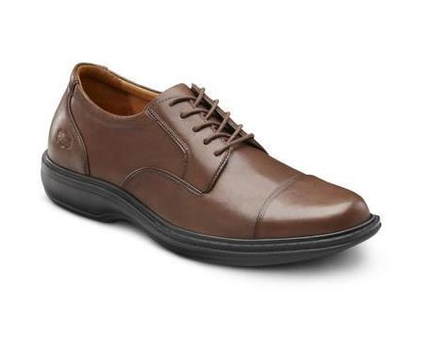
8120-M-15.0 | CAPTAIN CHESTNUT MED UK-14.5/US-15 | Mens Shoes | CAPTAIN CHESTNUT MED UK-14.5/US-15 | CAPTAIN CHESTNUT | 3
8120-M-06.0 | CAPTAIN CHESTNUT MED UK-5.5/US-6 | Mens Shoes | CAPTAIN CHESTNUT MED UK-5.5/US-6 | CAPTAIN CHESTNUT | 237
8120-M-07.0 | CAPTAIN CHESTNUT MED UK-6.5/US-7 | Mens Shoes | CAPTAIN CHESTNUT MED UK-6.5/US-7 | CAPTAIN CHESTNUT | 231
8120-M-06.5 | CAPTAIN CHESTNUT MED UK-6/US-6.5 | Mens Shoes | CAPTAIN CHESTNUT MED UK-6/US-6.5 | CAPTAIN CHESTNUT | 4
8120-M-08.0 | CAPTAIN CHESTNUT MED UK-7.5/US-8 | Mens Shoes | CAPTAIN CHESTNUT MED UK-7.5/US-8 | CAPTAIN CHESTNUT | 257
8120-M-10.0 | CAPTAIN CHESTNUT MED UK-9.5/US-10 | Mens Shoes | CAPTAIN CHESTNUT MED UK-9.5/US-10 | CAPTAIN CHESTNUT | 80
8120-W-06.0 | CAPTAIN CHESTNUT WIDE UK-5.5/US-6 | Mens Shoes | CAPTAIN CHESTNUT WIDE UK-5.5/US-6 | CAPTAIN CHESTNUT | 197
8120-W-07.0 | CAPTAIN CHESTNUT WIDE UK-6.5/US-7 | Mens Shoes | CAPTAIN CHESTNUT WIDE UK-6.5/US-7 | CAPTAIN CHESTNUT | 141
8120-X-11.5 | CAPTAIN CHESTNUT XWIDE UK-11/US-11.5 | Mens Shoes | CAPTAIN CHESTNUT XWIDE UK-11/US-11.5 | CAPTAIN CHESTNUT | 2
8120-X-06.0 | CAPTAIN CHESTNUT XWIDE UK-5.5/US-6 | Mens Shoes | CAPTAIN CHESTNUT XWIDE UK-5.5/US-6 | CAPTAIN CHESTNUT | 14
8120-X-07.0 | CAPTAIN CHESTNUT XWIDE UK-6.5/US-7 | Mens Shoes | CAPTAIN CHESTNUT XWIDE UK-6.5/US-7 | CAPTAIN CHESTNUT | 18
8120-X-06.5 | CAPTAIN CHESTNUT XWIDE UK-6/US-6.5 | Mens Shoes | CAPTAIN CHESTNUT XWIDE UK-6/US-6.5 | CAPTAIN CHESTNUT | 9
8120-X-08.0 | CAPTAIN CHESTNUT XWIDE UK-7.5/US-8 | Mens Shoes | CAPTAIN CHESTNUT XWIDE UK-7.5/US-8 | CAPTAIN CHESTNUT | 42
 |  |  |  |  | 1561
9110-M-07.5 | CARTER BLACK 07.5 MD | Mens Shoes | CARTER BLACK 07.5 MD | CARTER BLACK | 105
9110-M-08.5 | CARTER BLACK 08.5 MD | Mens Shoes | CARTER BLACK 08.5 MD | CARTER BLACK | 58
9110-M-11.5 | CARTER BLACK NORMAL EURO-45/UK-11/US-11.5 | Mens Shoes | CARTER BLACK NORMAL EURO-45/UK-11/US-11.5 | CARTER BLACK | 20
9110-M-13.0 | CARTER BLACK NORMAL EURO-47.5/UK-12.5/US-13 | Mens Shoes | CARTER BLACK NORMAL EURO-47.5/UK-12.5/US-13 | CARTER BLACK | 72
9110-M-14.0 | CARTER BLACK NORMAL EURO-48/UK-13.5/US-14 | Mens Shoes | CARTER BLACK NORMAL EURO-48/UK-13.5/US-14 | CARTER BLACK | 135
 |  |  |  |  | 390
0040-W-06.0 | COLLETTE WHITE 06.0 WD | Womens Sneakers | COLLETTE WHITE 06.0 WD | COLLETTE WHITE | 10
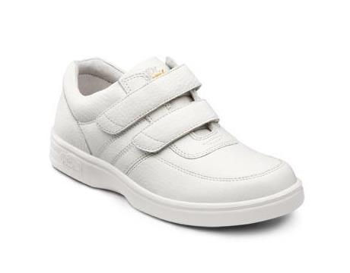
0040-X-06.5 | COLLETTE WHITE 06.5 XW | Womens Sneakers | COLLETTE WHITE 06.5 XW | COLLETTE WHITE | 8
0040-M-07.5 | COLLETTE WHITE 07.5 MD | Womens Sneakers | COLLETTE WHITE 07.5 MD | COLLETTE WHITE | 19
0040-X-07.5 | COLLETTE WHITE 07.5 XW | Womens Sneakers | COLLETTE WHITE 07.5 XW | COLLETTE WHITE | 4
0040-X-09.0 | COLLETTE WHITE 09.0 XW | Womens Sneakers | COLLETTE WHITE 09.0 XW | COLLETTE WHITE | 18
0040-M-09.5 | COLLETTE WHITE 09.5 MD | Womens Sneakers | COLLETTE WHITE 09.5 MD | COLLETTE WHITE | 13
0040-M-11.0 | COLLETTE WHITE 11.0 MD | Womens Sneakers | COLLETTE WHITE 11.0 MD | COLLETTE WHITE | 1
0040-W-11.0 | COLLETTE WHITE 11.0 WD | Womens Sneakers | COLLETTE WHITE 11.0 WD | COLLETTE WHITE | 2
0040-W-05.5 | Collette White 5 1/2 Wide | Womens Sneakers | Collette White 5 1/2 Wide | COLLETTE WHITE | 6
0040-X-05.5 | Collette White 5 1/2 XWide | Womens Sneakers | Collette White 5 1/2 XWide | COLLETTE WHITE | 3
0040-X-06.0 | Collette White 6 XWide | Womens Sneakers | Collette White 6 XWide | COLLETTE WHITE | 18
 |  |  |  |  | 113

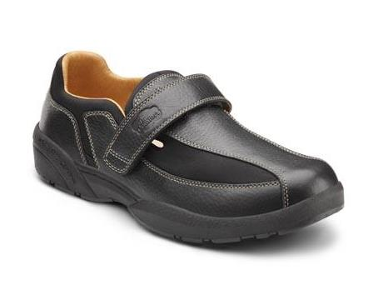
6610-X-06.0 | Douglas Black 6 XWide | Mens shoes | Douglas Black 6 XWide | DOUGLAS BLACK | 70
6610-M-07.0 | Douglas Black 7 Med | Mens shoes | Douglas Black 7 Med | DOUGLAS BLACK | 169
6610-M-06.0 | DOUGLAS BLACK MED UK-5.5/US-6 | Mens shoes | DOUGLAS BLACK MED UK-5.5/US-6 | DOUGLAS BLACK | 253
6610-X-07.0 | DOUGLAS BLACK XWIDE UK-6.5/US-7 | Mens shoes | DOUGLAS BLACK XWIDE UK-6.5/US-7 | DOUGLAS BLACK | 5
 |  |  |  |  | 497

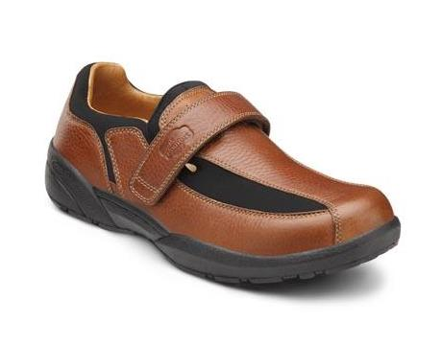
6620-M-15.0 | DOUGLAS CHESTNUT MED UK-14.5/US-15 | Mens shoes | DOUGLAS CHESTNUT MED UK-14.5/US-15 | DOUGLAS CHESTNUT | 4
6620-M-06.0 | DOUGLAS CHESTNUT MED UK-5.5/US-6 | Mens shoes | DOUGLAS CHESTNUT MED UK-5.5/US-6 | DOUGLAS CHESTNUT | 250
6620-M-07.0 | DOUGLAS CHESTNUT MED UK-6.5/US-7 | Mens shoes | DOUGLAS CHESTNUT MED UK-6.5/US-7 | DOUGLAS CHESTNUT | 206
6620-M-06.5 | DOUGLAS CHESTNUT MED UK-6/US-6.5 | Mens shoes | DOUGLAS CHESTNUT MED UK-6/US-6.5 | DOUGLAS CHESTNUT | 9
6620-M-08.0 | DOUGLAS CHESTNUT MED UK-7.5/US-8 | Mens shoes | DOUGLAS CHESTNUT MED UK-7.5/US-8 | DOUGLAS CHESTNUT | 4
6620-W-06.0 | DOUGLAS CHESTNUT WIDE UK-5.5/US-6 | Mens shoes | DOUGLAS CHESTNUT WIDE UK-5.5/US-6 | DOUGLAS CHESTNUT | 72
6620-W-07.0 | DOUGLAS CHESTNUT WIDE UK-6.5/US-7 | Mens shoes | DOUGLAS CHESTNUT WIDE UK-6.5/US-7 | DOUGLAS CHESTNUT | 29
6620-W-06.5 | DOUGLAS CHESTNUT WIDE UK-6/US-6.5 | Mens shoes | DOUGLAS CHESTNUT WIDE UK-6/US-6.5 | DOUGLAS CHESTNUT | 18
6620-X-06.0 | DOUGLAS CHESTNUT XWIDE UK-5.5/US-6 | Mens shoes | DOUGLAS CHESTNUT XWIDE UK-5.5/US-6 | DOUGLAS CHESTNUT | 59
6620-X-07.0 | DOUGLAS CHESTNUT XWIDE UK-6.5/US-7 | Mens shoes | DOUGLAS CHESTNUT XWIDE UK-6.5/US-7 | DOUGLAS CHESTNUT | 9
 |  |  |  |  | 660

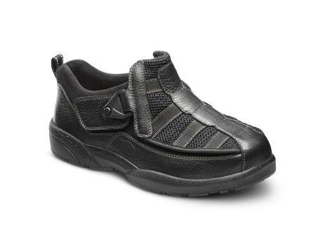
9610-W-06.5 | Edward X Black 6 1/2 Wide | Mens Sneakers | Edward_X Black 6 1/2 Wide | EDWARD_X BLACK | 35
9610-M-06.0 | EDWARD X BLACK NORMAL EURO-39/UK-5.5/US-6 | Mens Sneakers | EDWARD_X BLACK NORMAL EURO-39/UK-5.5/US-6 | EDWARD_X BLACK | 21
9610-M-07.0 | EDWARD X BLACK NORMAL EURO-40/UK-6.5/US-7 | Mens Sneakers | EDWARD_X BLACK NORMAL EURO-40/UK-6.5/US-7 | EDWARD_X BLACK | 5
9610-M-15.0 | EDWARD X BLACK NORMAL EURO-50/UK-14.5/US-15 | Mens Sneakers | EDWARD_X BLACK NORMAL EURO-50/UK-14.5/US-15 | EDWARD_X BLACK | 7
9610-W-06.0 | EDWARD X BLACK WIDE EURO-39/UK-5.5/US-6 | Mens Sneakers | EDWARD_X BLACK WIDE EURO-39/UK-5.5/US-6 | EDWARD_X BLACK | 4
9610-W-15.0 | EDWARD X BLACK WIDE EURO-50/UK-14.5/US-15 | Mens Sneakers | EDWARD_X BLACK WIDE EURO-50/UK-14.5/US-15 | EDWARD_X BLACK | 4
 |  |  |  |  | 76
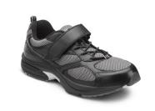
6810-W-06.0 | Endurance Black 6 Wide | Mens Sneakers | Endurance Black 6 Wide | ENDURANCE BLACK | 38
6810-X-07.5 | Endurance Black 7 1/2 XWide | Mens Sneakers | Endurance Black 7 1/2 XWide | ENDURANCE BLACK | 4
6810-M-06.0 | ENDURANCE BLACK MED UK-5.5/US-6 | Mens Sneakers | ENDURANCE BLACK MED UK-5.5/US-6 | ENDURANCE BLACK | 171
6810-M-07.0 | ENDURANCE BLACK MED UK-6.5/US-7 | Mens Sneakers | ENDURANCE BLACK MED UK-6.5/US-7 | ENDURANCE BLACK | 175
6810-M-06.5 | ENDURANCE BLACK MED UK-6/US-6.5 | Mens Sneakers | ENDURANCE BLACK MED UK-6/US-6.5 | ENDURANCE BLACK | 7
6810-M-08.0 | ENDURANCE BLACK MED UK-7.5/US-8 | Mens Sneakers | ENDURANCE BLACK MED UK-7.5/US-8 | ENDURANCE BLACK | 190
6810-W-07.0 | ENDURANCE BLACK WIDE UK-6.5/US-7 | Mens Sneakers | ENDURANCE BLACK WIDE UK-6.5/US-7 | ENDURANCE BLACK | 3
6810-W-06.5 | ENDURANCE BLACK WIDE UK-6/US-6.5 | Mens Sneakers | ENDURANCE BLACK WIDE UK-6/US-6.5 | ENDURANCE BLACK | 1
6810-X-06.0 | ENDURANCE BLACK XWIDE UK-5.5/US-6 | Mens Sneakers | ENDURANCE BLACK XWIDE UK-5.5/US-6 | ENDURANCE BLACK | 5
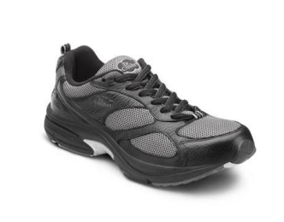
 |  |  |  |  | 594
7310-M-06.0 | ENDURANCE PLUS BLACK 06.0 MD | Mens Sneakers | ENDURANCE_PLUS BLACK 06.0 MD | ENDURANCE_PLUS BLACK | 9
7310-W-07.5 | ENDURANCE PLUS BLACK 07.5 WD | Mens Sneakers | ENDURANCE_PLUS BLACK 07.5 WD | ENDURANCE_PLUS BLACK | 4
7310-X-08.0 | ENDURANCE PLUS BLACK 08.0 XW | Mens Sneakers | ENDURANCE_PLUS BLACK 08.0 XW | ENDURANCE_PLUS BLACK | 3
7310-M-07.0 | Endurance Plus Black 7 Med | Mens Sneakers | Endurance_PLUS Black 7 Med | ENDURANCE_PLUS BLACK | 9
7310-X-07.0 | Endurance Plus Black 7 XWide | Mens Sneakers | Endurance_PLUS Black 7 XWide | ENDURANCE_PLUS BLACK | 3
 |  |  |  |  | 28
7340-X-06.5 | ENDURANCE PLUS WHITE 06.5 XW | Mens Sneakers | ENDURANCE_PLUS WHITE 06.5 XW | ENDURANCE_PLUS WHITE | 4
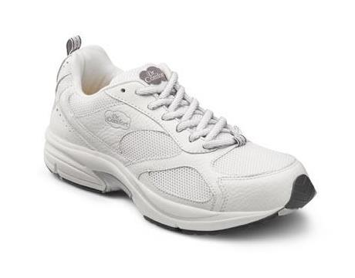
7340-W-07.0 | ENDURANCE PLUS WHITE 07.0 WD | Mens Sneakers | ENDURANCE_PLUS WHITE 07.0 WD | ENDURANCE_PLUS WHITE | 13
7340-M-07.5 | ENDURANCE PLUS WHITE 07.5 MD | Mens Sneakers | ENDURANCE_PLUS WHITE 07.5 MD | ENDURANCE_PLUS WHITE | 22
7340-X-07.5 | ENDURANCE PLUS WHITE 07.5 XW | Mens Sneakers | ENDURANCE_PLUS WHITE 07.5 XW | ENDURANCE_PLUS WHITE | 4
7340-M-08.0 | ENDURANCE PLUS WHITE 08.0 MD | Mens Sneakers | ENDURANCE_PLUS WHITE 08.0 MD | ENDURANCE_PLUS WHITE | 3
7340-M-14.0 | ENDURANCE PLUS WHITE 14.0 MD | Mens Sneakers | ENDURANCE_PLUS WHITE 14.0 MD | ENDURANCE_PLUS WHITE | 4
7340-X-14.0 | ENDURANCE PLUS WHITE 14.0 XW | Mens Sneakers | ENDURANCE_PLUS WHITE 14.0 XW | ENDURANCE_PLUS WHITE | 9
7340-M-15.0 | Endurance Plus White 15 Med | Mens Sneakers | Endurance_PLUS White 15 Med | ENDURANCE_PLUS WHITE | 2
7340-X-15.0 | ENDURANCE PLUS WHITE 15.0 XW | Mens Sneakers | ENDURANCE_PLUS WHITE 15.0 XW | ENDURANCE_PLUS WHITE | 5
7340-M-07.0 | Endurance Plus White 7 Med | Mens Sneakers | Endurance_PLUS White 7 Med | ENDURANCE_PLUS WHITE | 18
 |  |  |  |  | 84
6840-M-06.0 | ENDURANCE WHITE 06.0 MD | Mens Sneakers | ENDURANCE WHITE 06.0 MD | ENDURANCE WHITE | 2
6840-M-06.5 | ENDURANCE WHITE 06.5 MD | Mens Sneakers | ENDURANCE WHITE 06.5 MD | ENDURANCE WHITE | 9
6840-X-15.0 | ENDURANCE WHITE 15.0 XW | Mens Sneakers | ENDURANCE WHITE 15.0 XW | ENDURANCE WHITE | 4
 |  |  |  |  | 15
9810-M-06.5 | Fisherman Black 6 1/2 Med | Mens shoes | Fisherman Black 6 1/2 Med | FISHERMAN BLACK | 4
 |  |  |  |  | 4
9810-M-15.0 | FISHERMAN BLACK MED UK-14.5/US-15 | Mens shoes | FISHERMAN BLACK MED UK-14.5/US-15 | FISHERMAN BLACK | 10
9810-M-06.0 | FISHERMAN BLACK MED UK-5.5/US-6 | Mens shoes | FISHERMAN BLACK MED UK-5.5/US-6 | FISHERMAN BLACK | 99
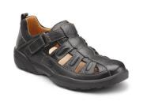
9810-M-07.0 | FISHERMAN BLACK MED UK-6.5/US-7 | Mens shoes | FISHERMAN BLACK MED UK-6.5/US-7 | FISHERMAN BLACK | 64
9810-M-09.0 | FISHERMAN BLACK MED UK-8.5/US-9 | Mens shoes | FISHERMAN BLACK MED UK-8.5/US-9 | FISHERMAN BLACK | 7
9810-W-12.0 | FISHERMAN BLACK WIDE UK-11.5/US-12 | Mens shoes | FISHERMAN BLACK WIDE UK-11.5/US-12 | FISHERMAN BLACK | 4
9810-W-15.0 | FISHERMAN BLACK WIDE UK-14.5/US-15 | Mens shoes | FISHERMAN BLACK WIDE UK-14.5/US-15 | FISHERMAN BLACK | 171
9810-W-06.0 | FISHERMAN BLACK WIDE UK-5.5/US-6 | Mens shoes | FISHERMAN BLACK WIDE UK-5.5/US-6 | FISHERMAN BLACK | 108
9810-W-07.0 | FISHERMAN BLACK WIDE UK-6.5/US-7 | Mens shoes | FISHERMAN BLACK WIDE UK-6.5/US-7 | FISHERMAN BLACK | 25
9810-W-06.5 | FISHERMAN BLACK WIDE UK-6/US-6.5 | Mens shoes | FISHERMAN BLACK WIDE UK-6/US-6.5 | FISHERMAN BLACK | 8
9810-X-10.5 | FISHERMAN BLACK XWIDE UK-10/US-10.5 | Mens shoes | FISHERMAN BLACK XWIDE UK-10/US-10.5 | FISHERMAN BLACK | 7
9810-X-07.0 | FISHERMAN BLACK XWIDE UK-6.5/US-7 | Mens shoes | FISHERMAN BLACK XWIDE UK-6.5/US-7 | FISHERMAN BLACK | 3
9810-X-08.0 | FISHERMAN BLACK XWIDE UK-7.5/US-8 | Mens shoes | FISHERMAN BLACK XWIDE UK-7.5/US-8 | FISHERMAN BLACK | 5
9810-X-07.5 | FISHERMAN BLACK XWIDE UK-7/US-7.5 | Mens shoes | FISHERMAN BLACK XWIDE UK-7/US-7.5 | FISHERMAN BLACK | 9
 |  |  |  |  | 520
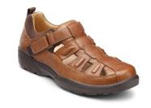
9820-M-06.0 | FISHERMAN CHESTNUT 06.0 MD | Mens shoes | FISHERMAN CHESTNUT 06.0 MD | FISHERMAN CHESTNUT | 5
9820-W-06.0 | FISHERMAN CHESTNUT 06.0 WD | Mens shoes | FISHERMAN CHESTNUT 06.0 WD | FISHERMAN CHESTNUT | 8
9820-M-06.5 | FISHERMAN CHESTNUT 06.5 MD | Mens shoes | FISHERMAN CHESTNUT 06.5 MD | FISHERMAN CHESTNUT | 3
9820-M-07.5 | FISHERMAN CHESTNUT 07.5 MD | Mens shoes | FISHERMAN CHESTNUT 07.5 MD | FISHERMAN CHESTNUT | 2
9820-X-07.5 | FISHERMAN CHESTNUT 07.5 XW | Mens shoes | FISHERMAN CHESTNUT 07.5 XW | FISHERMAN CHESTNUT | 4
9820-X-12.0 | FISHERMAN CHESTNUT 12.0 XW | Mens shoes | FISHERMAN CHESTNUT 12.0 XW | FISHERMAN CHESTNUT | 7
9820-M-14.0 | FISHERMAN CHESTNUT 14.0 MD | Mens shoes | FISHERMAN CHESTNUT 14.0 MD | FISHERMAN CHESTNUT | 1
9820-X-14.0 | FISHERMAN CHESTNUT 14.0 XW | Mens shoes | FISHERMAN CHESTNUT 14.0 XW | FISHERMAN CHESTNUT | 1
9820-W-06.5 | Fisherman Chestnut 6 1/2 Wide | Mens shoes | Fisherman Chestnut 6 1/2 Wide | FISHERMAN CHESTNUT | 10
9820-X-06.0 | Fisherman Chestnut 6 XWide | Mens shoes | Fisherman Chestnut 6 XWide | FISHERMAN CHESTNUT | 1
 |  |  |  |  | 42
6221-X-14.0 | Frank Bark 14 XWide | Mens shoes | Frank Bark 14 XWide | FRANK BARK | 6
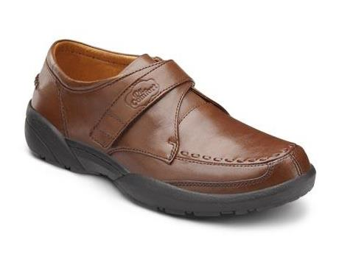
6221-W-07.0 | Frank Bark 7 Wide | Mens shoes | Frank Bark 7 Wide | FRANK BARK | 6
6210-X-07.0 | Frank Black 7 XWide | Mens shoes | Frank Black 7 XWide | FRANK BLACK | 9
6221-W-06.0 | FRANK BARK 06.0 WD | Mens shoes | FRANK BARK 06.0 WD | FRANK BARK | 9
6221-M-07.5 | FRANK BARK 07.5 MD | Mens shoes | FRANK BARK 07.5 MD | FRANK BARK | 3
6221-X-07.5 | FRANK BARK 07.5 XW | Mens shoes | FRANK BARK 07.5 XW | FRANK BARK | 7
6221-M-09.0 | FRANK BARK 09.0 MD | Mens shoes | FRANK BARK 09.0 MD | FRANK BARK | 3
6221-X-11.5 | FRANK BARK 11.5 XW | Mens shoes | FRANK BARK 11.5 XW | FRANK BARK | 5
6221-W-14.0 | FRANK BARK 14.0 WD | Mens shoes | FRANK BARK 14.0 WD | FRANK BARK | 5
 |  |  |  |  | 53

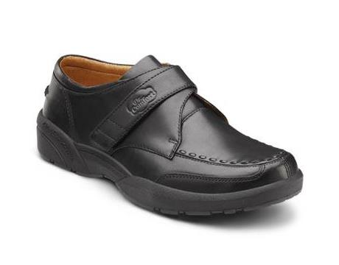
6210-W-06.0 | FRANK BLACK 06.0 WD | Mens shoes | FRANK BLACK 06.0 WD | FRANK BLACK | 18
6210-M-07.5 | FRANK BLACK 07.5 MD | Mens shoes | FRANK BLACK 07.5 MD | FRANK BLACK | 6
6210-W-15.0 | FRANK BLACK 15.0 WD | Mens shoes | FRANK BLACK 15.0 WD | FRANK BLACK | 18
 |  |  |  |  | 95

8830-M-11.5 | FRANKLIN BROWN 11.5 MD | Mens shoes | FRANKLIN BROWN 11.5 MD | FRANKLIN BROWN | 9
 |  |  |  |  | 9

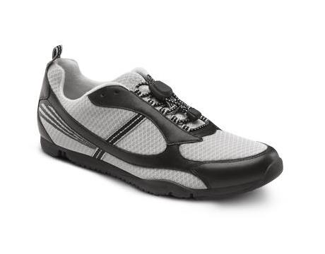
225010-X-08.0 | GARY FLEX OA BLACK 08.0 XW | Mens Sneakers | GARY_FLEX_OA BLACK 08.0 XW | GARY_FLEX_OA BLACK | 163
225010-MW-09.0 | GARY FLEX OA BLACK 09.0 MD/WD | Mens Sneakers | GARY_FLEX_OA BLACK 09.0 MD/WD | GARY_FLEX_OA BLACK | 33
225010-X-09.0 | GARY FLEX OA BLACK 09.0 XW | Mens Sneakers | GARY_FLEX_OA BLACK 09.0 XW | GARY_FLEX_OA BLACK | 237
225010-X-10.0 | GARY FLEX OA BLACK 10.0 XW | Mens Sneakers | GARY_FLEX_OA BLACK 10.0 XW | GARY_FLEX_OA BLACK | 726
225010-MW-11.0 | GARY FLEX OA BLACK 11.0 MD/WD | Mens Sneakers | GARY_FLEX_OA BLACK 11.0 MD/WD | GARY_FLEX_OA BLACK | 58
225010-X-11.0 | GARY FLEX OA BLACK 11.0 XW | Mens Sneakers | GARY_FLEX_OA BLACK 11.0 XW | GARY_FLEX_OA BLACK | 657
225010-X-12.0 | Gary Flex OA Black 12 XWide | Mens Sneakers | Gary_FLEX_OA Black 12 XWide | GARY_FLEX_OA BLACK | 753
225010-MW-12.0 | GARY FLEX OA BLACK 12.0 MD/WD | Mens Sneakers | GARY_FLEX_OA BLACK 12.0 MD/WD | GARY_FLEX_OA BLACK | 400
225010-X-13.0 | Gary Flex OA Black 13 XWide | Mens Sneakers | Gary_FLEX_OA Black 13 XWide | GARY_FLEX_OA BLACK | 367
225010-MW-13.0 | GARY FLEX OA BLACK 13.0 MD/WD | Mens Sneakers | GARY_FLEX_OA BLACK 13.0 MD/WD | GARY_FLEX_OA BLACK | 257
225010-MW-14.0 | GARY FLEX OA BLACK 14.0 MD/WD | Mens Sneakers | GARY_FLEX_OA BLACK 14.0 MD/WD | GARY_FLEX_OA BLACK | 189
225010-X-14.0 | GARY FLEX OA BLACK 14.0 XW | Mens Sneakers | GARY_FLEX_OA BLACK 14.0 XW | GARY_FLEX_OA BLACK | 256
 |  |  |  |  | 4095

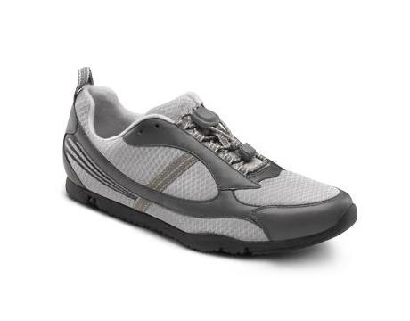
225080-MW-08.0 | GARY FLEX OA GREY 08.0 MD/WD | Mens Sneakers | GARY_FLEX_OA GREY 08.0 MD/WD | GARY_FLEX_OA GREY | 153
225080-X-08.0 | GARY FLEX OA GREY 08.0 XW | Mens Sneakers | GARY_FLEX_OA GREY 08.0 XW | GARY_FLEX_OA GREY | 225
225080-X-09.0 | GARY FLEX OA GREY 09.0 XW | Mens Sneakers | GARY_FLEX_OA GREY 09.0 XW | GARY_FLEX_OA GREY | 308
225080-X-10.0 | GARY FLEX OA GREY 10.0 XW | Mens Sneakers | GARY_FLEX_OA GREY 10.0 XW | GARY_FLEX_OA GREY | 729
225080-X-11.0 | GARY FLEX OA GREY 11.0 XW | Mens Sneakers | GARY_FLEX_OA GREY 11.0 XW | GARY_FLEX_OA GREY | 642
225080-MW-12.0 | GARY FLEX OA GREY 12.0 MD/WD | Mens Sneakers | GARY_FLEX_OA GREY 12.0 MD/WD | GARY_FLEX_OA GREY | 16
225080-X-12.0 | GARY FLEX OA GREY 12.0 XW | Mens Sneakers | GARY_FLEX_OA GREY 12.0 XW | GARY_FLEX_OA GREY | 768
225080-MW-13.0 | GARY FLEX OA GREY 13.0 MD/WD | Mens Sneakers | GARY_FLEX_OA GREY 13.0 MD/WD | GARY_FLEX_OA GREY | 245
225080-X-13.0 | GARY FLEX OA GREY 13.0 XW | Mens Sneakers | GARY_FLEX_OA GREY 13.0 XW | GARY_FLEX_OA GREY | 369
225080-MW-14.0 | GARY FLEX OA GREY 14.0 MD/WD | Mens Sneakers | GARY_FLEX_OA GREY 14.0 MD/WD | GARY_FLEX_OA GREY | 219
225080-X-14.0 | GARY FLEX OA GREY 14.0 XW | Mens Sneakers | GARY_FLEX_OA GREY 14.0 XW | GARY_FLEX_OA GREY | 286
 |  |  |  |  | 3960
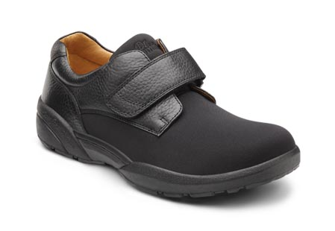
6410-M-12.5 | GSA Brian Black 12.5 Medium | Mens Shoes | GSA Brian Black 12.5 Medium | GSA BRIAN | 77
6410-W-12.5 | GSA Brian Black 12.5 Wide | Mens Shoes | GSA Brian Black 12.5 Wide | GSA BRIAN | 277
6410-X-12.5 | GSA Brian Black 12.5 XWide | Mens Shoes | GSA Brian Black 12.5 XWide | GSA BRIAN | 30
6410-M-13.5 | GSA Brian Black 13.5 Medium | Mens Shoes | GSA Brian Black 13.5 Medium | GSA BRIAN | 63
6410-W-13.5 | GSA Brian Black 13.5 Wide | Mens Shoes | GSA Brian Black 13.5 Wide | GSA BRIAN | 216
6410-X-13.5 | GSA Brian Black 13.5 XWide | Mens Shoes | GSA Brian Black 13.5 XWide | GSA BRIAN | 144
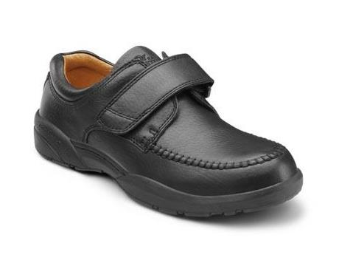
 |  |  |  |  | 807
9210-M-13.5 | GSA Scott Black 13.5 Med | Mens Shoes | GSA Scott Black 13.5 Med | GSA SCOTT | 63
9210-W-13.5 | GSA Scott Black 13.5 Wide | Mens Shoes | GSA Scott Black 13.5 Wide | GSA SCOTT | 174
9210-X-13.5 | GSA Scott Black 13.5 XWide | Mens Shoes | GSA Scott Black 13.5 XWide | GSA SCOTT | 63
9210-X-07.5 | GSA Scott Black 7.5 XWide | Mens Shoes | GSA Scott Black 7.5 XWide | GSA SCOTT | 11
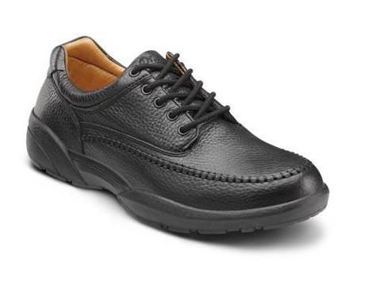
 |  |  |  |  | 311
8710-M-13.5 | GSA Stallion Black 13.5 Medium | Mens Shoes | GSA Stallion Black 13.5 Medium | GSA STALLION | 87
8710-W-13.5 | GSA Stallion Black 13.5 Wide | Mens Shoes | GSA Stallion Black 13.5 Wide | GSA STALLION | 198
8710-X-13.5 | GSA Stallion Black 13.5 XWide | Mens Shoes | GSA Stallion Black 13.5 XWide | GSA STALLION | 21
8710-M-07.5 | GSA Stallion Black 7.5 Medium | Mens Shoes | GSA Stallion Black 7.5 Medium | GSA STALLION | 6
 |  |  |  |  | 312

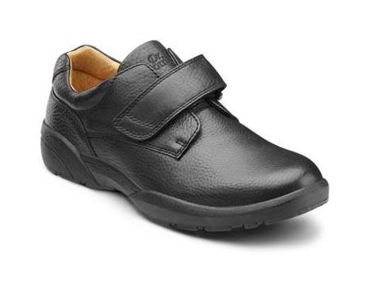
6310-W-13.5 | GSA William Black 13.5 Wide | Mens Shoes | GSA William Black 13.5 Wide | GSA WILLIAM | 13
6310-M-13.5 | GSA William Black 13.5 Med | Mens Shoes | GSA William Black 13.5 Med | GSA WILLIAM | 29
6310-X-13.5 | GSA William Black 13.5 XWide | Mens Shoes | GSA William Black 13.5 XWide | GSA WILLIAM | 18
6310-X-07.5 | GSA William Black 7.5 XWide | Mens Shoes | GSA William Black 7.5 XWide | GSA WILLIAM | 8
6310-X-08.0 | GSA William Black 8 XWide | Mens Shoes | GSA William Black 8 XWide | GSA WILLIAM | 54
6310-X-09.0 | GSA William Black 9 XWide | Mens Shoes | GSA William Black 9 XWide | GSA WILLIAM | 37
 |  |  |  |  | 159
5710-M-15.0 | GSA Winner Black 15 Medium | Mens Sneakers | GSA Winner Black 15 Medium | GSA WINNER | 166
5710-W-15.0 | GSA Winner Black 15 Wide | Mens Sneakers | GSA Winner Black 15 Wide | GSA WINNER | 333
5710-X-07.5 | GSA Winner Black 7.5 XWide | Mens Sneakers | GSA Winner Black 7.5 XWide | GSA WINNER | 686
 |  |  |  |  | 1185 | 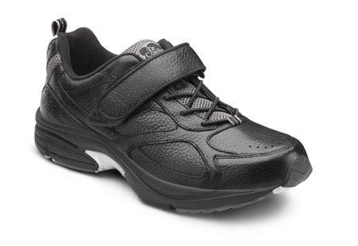
7840-M-07.5 | Hayward White 7 1/2 Med | Mens Sneakers | Hayward White 7 1/2 Med | HAYWARD WHITE | 9
7840-W-07.5 | Hayward White 7 1/2 Wide | Mens Sneakers | Hayward White 7 1/2 Wide | HAYWARD WHITE | 9
7840-X-07.5 | Hayward White 7 1/2 XWide | Mens Sneakers | Hayward White 7 1/2 XWide | HAYWARD WHITE | 54
7840-W-08.5 | Hayward White 8 1/2 Wide | Mens Sneakers | Hayward White 8 1/2 Wide | HAYWARD WHITE | 72
7840-X-08.5 | Hayward White 8 1/2 XWide | Mens Sneakers | Hayward White 8 1/2 XWide | HAYWARD WHITE | 54
7840-W-09.5 | Hayward White 9 1/2 Wide | Mens Sneakers | Hayward White 9 1/2 Wide | HAYWARD WHITE | 108
7840-X-09.5 | Hayward White 9 1/2 XWide | Mens Sneakers | Hayward White 9 1/2 XWide | HAYWARD WHITE | 63
 |  |  |  |  | 369
8910-M-07.5 | HUDSON BLACK 07.5 MD | Mens Shoes | HUDSON BLACK 07.5 MD | HUDSON BLACK | 9
 |  |  |  |  | 9

7110-X-11.5 | JOSEPH BLACK 11 1/2 XWIDE/EURO-45/UK-11 | Mens Shoes | JOSEPH BLACK 11 1/2 XWIDE/EURO-45/UK-11 | JOSEPH BLACK | 1
 |  |  |  |  | 1
7130-W-09.0 | JOSEPH BROWN 09.0 WD | Mens Shoes | JOSEPH BROWN 09.0 WD | JOSEPH BROWN | 441
7130-W-09.5 | JOSEPH BROWN 09.5 WD | Mens Shoes | JOSEPH BROWN 09.5 WD | JOSEPH BROWN | 648
 |  |  |  |  | 1089 | 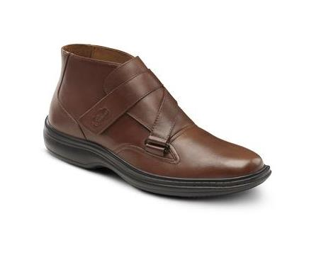
5510-X-07.0 | Justin Black 7 XWide | Mens Shoes | Justin Black 7 XWide | JUSTIN BLACK | 98
5510-W-07.0 | Justin Black 7 Wide | Mens Shoes | Justin Black 7 Wide | JUSTIN BLACK | 75
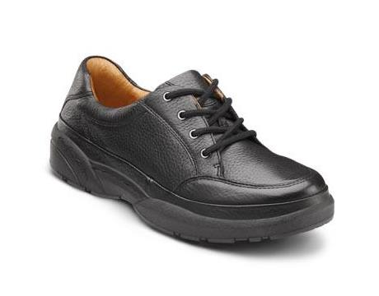
5510-M-15.0 | JUSTIN BLACK MED UK-14.5/US-15 | Mens Shoes | JUSTIN BLACK MED UK-14.5/US-15 | JUSTIN BLACK | 5
5510-M-06.0 | JUSTIN BLACK MED UK-5.5/US-6 | Mens Shoes | JUSTIN BLACK MED UK-5.5/US-6 | JUSTIN BLACK | 321
5510-M-07.0 | JUSTIN BLACK MED UK-6.5/US-7 | Mens Shoes | JUSTIN BLACK MED UK-6.5/US-7 | JUSTIN BLACK | 425
5510-M-08.0 | JUSTIN BLACK MED UK-7.5/US-8 | Mens Shoes | JUSTIN BLACK MED UK-7.5/US-8 | JUSTIN BLACK | 231
5510-M-09.0 | JUSTIN BLACK MED UK-8.5/US-9 | Mens Shoes | JUSTIN BLACK MED UK-8.5/US-9 | JUSTIN BLACK | 4
5510-W-15.0 | JUSTIN BLACK WIDE UK-14.5/US-15 | Mens Shoes | JUSTIN BLACK WIDE UK-14.5/US-15 | JUSTIN BLACK | 4
5510-W-06.0 | JUSTIN BLACK WIDE UK-5.5/US-6 | Mens Shoes | JUSTIN BLACK WIDE UK-5.5/US-6 | JUSTIN BLACK | 143
5510-X-15.0 | JUSTIN BLACK XWIDE UK-14.5/US-15 | Mens Shoes | JUSTIN BLACK XWIDE UK-14.5/US-15 | JUSTIN BLACK | 5
5510-X-06.0 | JUSTIN BLACK XWIDE UK-5.5/US-6 | Mens Shoes | JUSTIN BLACK XWIDE UK-5.5/US-6 | JUSTIN BLACK | 54
 |  |  |  |  | 1365
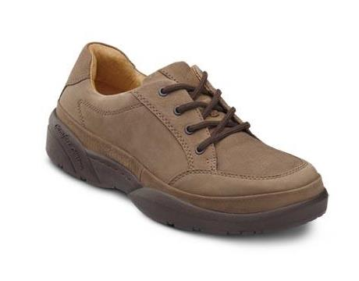
5520-M-08.0 | Justin Chestnut 8 Med | Mens Shoes | Justin Chestnut 8 Med | JUSTIN CHESTNUT | 283
5520-M-09.0 | Justin Chestnut 9 Med | Mens Shoes | Justin Chestnut 9 Med | JUSTIN CHESTNUT | 77
5520-M-15.0 | JUSTIN CHESTNUT NUBUCK MED UK-14.5/US-15 | Mens Shoes | JUSTIN CHESTNUT NUBUCK MED UK-14.5/US-15 | JUSTIN CHESTNUT | 3
5520-M-06.0 | JUSTIN CHESTNUT NUBUCK MED UK-5.5/US-6 | Mens Shoes | JUSTIN CHESTNUT NUBUCK MED UK-5.5/US-6 | JUSTIN CHESTNUT | 324
5520-M-07.0 | JUSTIN CHESTNUT NUBUCK MED UK-6.5/US-7 | Mens Shoes | JUSTIN CHESTNUT NUBUCK MED UK-6.5/US-7 | JUSTIN CHESTNUT | 480
5520-M-06.5 | JUSTIN CHESTNUT NUBUCK MED UK-6/US-6.5 | Mens Shoes | JUSTIN CHESTNUT NUBUCK MED UK-6/US-6.5 | JUSTIN CHESTNUT | 8
5520-W-06.0 | JUSTIN CHESTNUT NUBUCK WIDE UK-5.5/US-6 | Mens Shoes | JUSTIN CHESTNUT NUBUCK WIDE UK-5.5/US-6 | JUSTIN CHESTNUT | 153
5520-W-07.0 | JUSTIN CHESTNUT NUBUCK WIDE UK-6.5/US-7 | Mens Shoes | JUSTIN CHESTNUT NUBUCK WIDE UK-6.5/US-7 | JUSTIN CHESTNUT | 129
5520-X-06.0 | JUSTIN CHESTNUT NUBUCK XWIDE UK-5.5/US-6 | Mens Shoes | JUSTIN CHESTNUT NUBUCK XWIDE UK-5.5/US-6 | JUSTIN CHESTNUT | 18
 |  |  |  |  | 1475

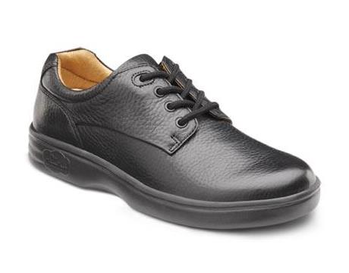
3010-X-05.5 | LAURA BLACK 05.5 XW | Womens Shoes | LAURA BLACK 05.5 XW | LAURA BLACK | 9
3010-M-06.0 | LAURA BLACK 06.0 MD | Womens Shoes | LAURA BLACK 06.0 MD | LAURA BLACK | 12
3010-M-06.5 | LAURA BLACK 06.5 MD | Womens Shoes | LAURA BLACK 06.5 MD | LAURA BLACK | 16
3010-M-11.0 | LAURA BLACK 11.0 MD | Womens Shoes | LAURA BLACK 11.0 MD | LAURA BLACK | 13
3010-X-06.5 | Laura Black 6 1/2 XWide | Womens Shoes | Laura Black 6 1/2 XWide | LAURA BLACK | 2
 |  |  |  |  | 52
3020-W-05.5 | LAURA CHESTNUT 05.5 WD | Womens Shoes | LAURA CHESTNUT 05.5 WD | LAURA CHESTNUT | 447
3020-X-06.5 | LAURA CHESTNUT 06.5 XW | Womens Shoes | LAURA CHESTNUT 06.5 XW | LAURA CHESTNUT | 11
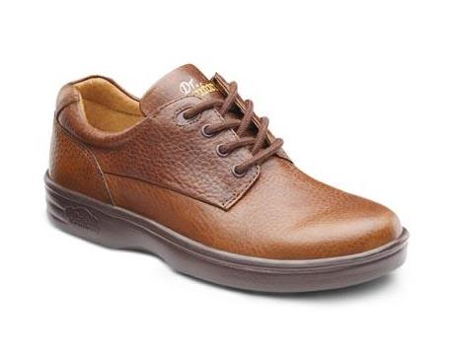
3020-M-07.5 | LAURA CHESTNUT 07.5 MD | Womens Shoes | LAURA CHESTNUT 07.5 MD | LAURA CHESTNUT | 2
3020-X-08.0 | LAURA CHESTNUT 08.0 XW | Womens Shoes | LAURA CHESTNUT 08.0 XW | LAURA CHESTNUT | 2
3020-M-10.0 | Laura Chestnut 10 Med | Womens Shoes | Laura Chestnut 10 Med | LAURA CHESTNUT | 3
 |  |  |  |  | 465
8210-W-06.0 | LEADER BLACK 06.0 WD | Mens Shoes | LEADER BLACK 06.0 WD | LEADER BLACK | 13
8210-X-06.0 | LEADER BLACK 06.0 XW | Mens Shoes | LEADER BLACK 06.0 XW | LEADER BLACK | 6
8210-W-06.5 | LEADER BLACK 06.5 WD | Mens Shoes | LEADER BLACK 06.5 WD | LEADER BLACK | 4
8210-W-11.5 | LEADER BLACK 11.5 WD | Mens Shoes | LEADER BLACK 11.5 WD | LEADER BLACK | 8
8210-M-07.0 | Leader Black 7 Med | Mens Shoes | Leader Black 7 Med | LEADER BLACK | 1
8210-X-07.0 | Leader Black 7 XWide | Mens Shoes | Leader Black 7 XWide | LEADER BLACK | 3
 |  |  |  |  | 35
8220-M-06.5 | LEADER CHESTNUT 06.5 MD | Mens Shoes | LEADER CHESTNUT 06.5 MD | LEADER CHESTNUT | 9
8220-M-07.0 | LEADER CHESTNUT 07.0 MD | Mens Shoes | LEADER CHESTNUT 07.0 MD | LEADER CHESTNUT | 14
8220-M-07.5 | LEADER CHESTNUT 07.5 MD | Mens Shoes | LEADER CHESTNUT 07.5 MD | LEADER CHESTNUT | 15
8220-X-08.0 | LEADER CHESTNUT 08.0 XW | Mens Shoes | LEADER CHESTNUT 08.0 XW | LEADER CHESTNUT | 9
8220-X-11.5 | Leader Chestnut 11 1/2 XWide | Mens Shoes | Leader Chestnut 11 1/2 XWide | LEADER CHESTNUT | 6
8220-W-11.0 | LEADER CHESTNUT 11.0 WD | Mens Shoes | LEADER CHESTNUT 11.0 WD | LEADER CHESTNUT | 210
8220-X-14.0 | LEADER CHESTNUT 14.0 XW | Mens Shoes | LEADER CHESTNUT 14.0 XW | LEADER CHESTNUT | 8
8220-M-15.0 | LEADER CHESTNUT 15.0 MD | Mens Shoes | LEADER CHESTNUT 15.0 MD | LEADER CHESTNUT | 9
8220-X-15.0 | LEADER CHESTNUT 15.0 XW | Mens Shoes | LEADER CHESTNUT 15.0 XW | LEADER CHESTNUT | 4
8220-X-07.5 | Leader Chestnut 7 1/2 XWide | Mens Shoes | Leader Chestnut 7 1/2 XWide | LEADER CHESTNUT | 4
 |  |  |  |  | 288
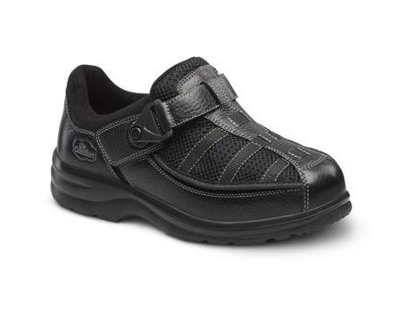
2610-M-05.0 | LUCIE X BLACK NORMAL EURO-35/UK-2.5/US-5 | Womens Shoes | LUCIE_X BLACK NORMAL EURO-35/UK-2.5/US-5 | LUCIE_X | 9
2610-M-06.0 | LUCIE X BLACK NORMAL EURO-36/UK-3.5/US-6 | Womens Shoes | LUCIE_X BLACK NORMAL EURO-36/UK-3.5/US-6 | LUCIE_X | 24
2610-W-04.0 | LUCIE X BLACK WIDE EURO-34/UK-1.5/US-4 | Womens Shoes | LUCIE_X BLACK WIDE EURO-34/UK-1.5/US-4 | LUCIE_X | 7
2610-X-04.5 | LUCIE X BLACK VELCRO 04.5 XW | Womens Shoes | LUCIE_X BLACK VELCRO 04.5 XW | LUCIE_X BLACK | 11
2610-M-10.5 | Lucie X Black Velcro 10 1/2 Me | Womens Shoes | Lucie_X Black Velcro 10 1/2 Me | LUCIE_X BLACK | 16
2610-M-04.5 | Lucie X Black Velcro 4 1/2 Med | Womens Shoes | Lucie_X Black Velcro 4 1/2 Med | LUCIE_X BLACK | 9
 |  |  |  |  | 94
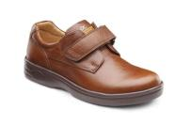
 |  |  |  |  | 452
4020-X-05.5 | MAGGY CHESTNUT 05.5 XW | Womens Shoes | MAGGY CHESTNUT 05.5 XW | MAGGY CHESTNUT | 1
4020-X-06.0 | MAGGY CHESTNUT 06.0 XW | Womens Shoes | MAGGY CHESTNUT 06.0 XW | MAGGY CHESTNUT | 9
4020-M-06.5 | MAGGY CHESTNUT 06.5 MD | Womens Shoes | MAGGY CHESTNUT 06.5 MD | MAGGY CHESTNUT | 3
4020-W-08.0 | MAGGY CHESTNUT 08.0 WD | Womens Shoes | MAGGY CHESTNUT 08.0 WD | MAGGY CHESTNUT | 194
4020-X-09.5 | MAGGY CHESTNUT 09.5 XW | Womens Shoes | MAGGY CHESTNUT 09.5 XW | MAGGY CHESTNUT | 3
4020-M-05.5 | Maggy Chestnut 5 1/2 Med | Womens Shoes | Maggy Chestnut 5 1/2 Med | MAGGY CHESTNUT | 3
 |  |  |  |  | 213
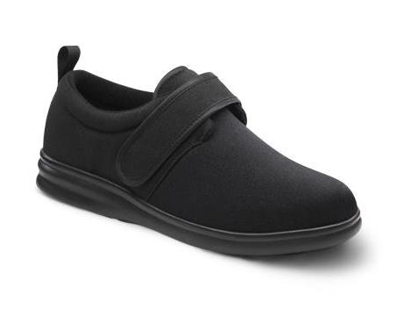
0910-M-05.5 | MARLA BLACK 05.5 MD | Womens Shoes | MARLA BLACK 05.5 MD | MARLA BLACK | 110
0910-W-05.5 | MARLA BLACK 05.5 WD | Womens Shoes | MARLA BLACK 05.5 WD | MARLA BLACK | 39
0910-X-05.5 | MARLA BLACK 05.5 XW | Womens Shoes | MARLA BLACK 05.5 XW | MARLA BLACK | 75
0910-M-06.5 | MARLA BLACK 06.5 MD | Womens Shoes | MARLA BLACK 06.5 MD | MARLA BLACK | 119
0910-X-06.5 | MARLA BLACK 06.5 XW | Womens Shoes | MARLA BLACK 06.5 XW | MARLA BLACK | 7
0910-M-09.5 | MARLA BLACK 09.5 MD | Womens Shoes | MARLA BLACK 09.5 MD | MARLA BLACK | 65
0910-M-06.0 | MARLA BLACK NORMAL EURO-36/UK-3.5/US-6 | Womens Shoes | MARLA BLACK NORMAL EURO-36/UK-3.5/US-6 | MARLA BLACK | 35
0910-M-07.0 | MARLA BLACK NORMAL EURO-37/UK-4.5/US-7 | Womens Shoes | MARLA BLACK NORMAL EURO-37/UK-4.5/US-7 | MARLA BLACK | 24
 |  |  |  |  | 474
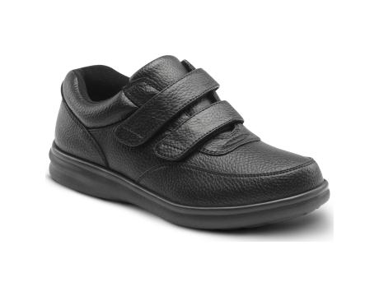
1610-W-06.5 | MONROE BLACK 06.5 WD | Womens Sneakers | MONROE BLACK 06.5 WD | MONROE BLACK | 186
1610-W-07.5 | MONROE BLACK 07.5 WD | Womens Sneakers | MONROE BLACK 07.5 WD | MONROE BLACK | 160
1610-W-08.5 | MONROE BLACK 08.5 WD | Womens Sneakers | MONROE BLACK 08.5 WD | MONROE BLACK | 248
1610-X-08.5 | MONROE BLACK 08.5 XW | Womens Sneakers | MONROE BLACK 08.5 XW | MONROE BLACK | 18
1610-W-09.0 | MONROE BLACK 09.0 WD | Womens Sneakers | MONROE BLACK 09.0 WD | MONROE BLACK | 231
 |  |  |  |  | 843

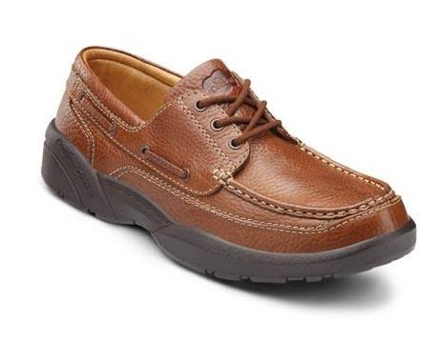
8510-M-06.0 | PATRICK BLACK 06.0 MD | Mens Shoes | PATRICK BLACK 06.0 MD | PATRICK BLACK | 9
8510-M-06.5 | PATRICK BLACK 06.5 MD | Mens Shoes | PATRICK BLACK 06.5 MD | PATRICK BLACK | 1
 |  |  |  |  | 10
8520-W-06.0 | PATRICK CHESTNUT 06.0 WD | Mens Shoes | PATRICK CHESTNUT 06.0 WD | PATRICK CHESTNUT | 4
8520-M-06.5 | PATRICK CHESTNUT 06.5 MD | Mens Shoes | PATRICK CHESTNUT 06.5 MD | PATRICK CHESTNUT | 3
8520-W-15.0 | PATRICK CHESTNUT 15.0 WD | Mens Shoes | PATRICK CHESTNUT 15.0 WD | PATRICK CHESTNUT | 315
 |  |  |  |  | 322

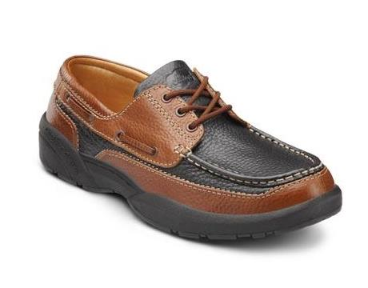
8560-M-06.0 | PATRICK MULTI MED UK-5.5/US-6 | Mens Shoes | PATRICK MULTI MED UK-5.5/US-6 | PATRICK MULTI | 207
8560-M-07.0 | PATRICK MULTI MED UK-6.5/US-7 | Mens Shoes | PATRICK MULTI MED UK-6.5/US-7 | PATRICK MULTI | 98
8560-M-08.0 | PATRICK MULTI MED UK-7.5/US-8 | Mens Shoes | PATRICK MULTI MED UK-7.5/US-8 | PATRICK MULTI | 3
8560-W-06.0 | Patrick Multi 6 Wide | Mens Shoes | Patrick Multi 6 Wide | PATRICK MULTI | 198
8560-X-08.5 | Patrick Multi 8 1/2 XWide | Mens Shoes | Patrick Multi 8 1/2 XWide | PATRICK MULTI | 4
8560-M-06.5 | PATRICK MULTI MED UK-6/US-6.5 | Mens Shoes | PATRICK MULTI MED UK-6/US-6.5 | PATRICK MULTI | 7
8560-W-07.0 | PATRICK MULTI WIDE UK-6.5/US-7 | Mens Shoes | PATRICK MULTI WIDE UK-6.5/US-7 | PATRICK MULTI | 72
8560-W-06.5 | PATRICK MULTI WIDE UK-6/US-6.5 | Mens Shoes | PATRICK MULTI WIDE UK-6/US-6.5 | PATRICK MULTI | 4
8560-X-06.0 | PATRICK MULTI XWIDE UK-5.5/US-6 | Mens Shoes | PATRICK MULTI XWIDE UK-5.5/US-6 | PATRICK MULTI | 45
8560-X-07.0 | PATRICK MULTI XWIDE UK-6.5/US-7 | Mens Shoes | PATRICK MULTI XWIDE UK-6.5/US-7 | PATRICK MULTI | 54
8560-X-06.5 | PATRICK MULTI XWIDE UK-6/US-6.5 | Mens Shoes | PATRICK MULTI XWIDE UK-6/US-6.5 | PATRICK MULTI | 8
8560-X-08.0 | PATRICK MULTI XWIDE UK-7.5/US-8 | Mens Shoes | PATRICK MULTI XWIDE UK-7.5/US-8 | PATRICK MULTI | 5
8560-X-07.5 | PATRICK MULTI XWIDE UK-7/US-7.5 | Mens Shoes | PATRICK MULTI XWIDE UK-7/US-7.5 | PATRICK MULTI | 3
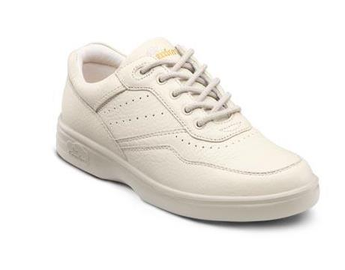
 |  |  |  |  | 708

1030-X-06.5 | Patty Beige 6 1/2 XWide | Womens Sneakers | Patty Beige 6 1/2 XWide | PATTY BEIGE | 1
1030-M-06.0 | PATTY BEIGE MED UK-3.5/US-6 | Womens Sneakers | PATTY BEIGE MED UK-3.5/US-6 | PATTY BEIGE | 159
1030-M-09.0 | PATTY BEIGE MED UK-6.5/US-9 | Womens Sneakers | PATTY BEIGE MED UK-6.5/US-9 | PATTY BEIGE | 67
1030-W-06.0 | PATTY BEIGE WIDE UK-3.5/US-6 | Womens Sneakers | PATTY BEIGE WIDE UK-3.5/US-6 | PATTY BEIGE | 14
1030-X-06.0 | PATTY BEIGE XWIDE UK-3.5/US-6 | Womens Sneakers | PATTY BEIGE XWIDE UK-3.5/US-6 | PATTY BEIGE | 117
1030-X-05.5 | PATTY BEIGE XWIDE UK-3/US-5.5 | Womens Sneakers | PATTY BEIGE XWIDE UK-3/US-5.5 | PATTY BEIGE | 9
 |  |  |  |  | 367

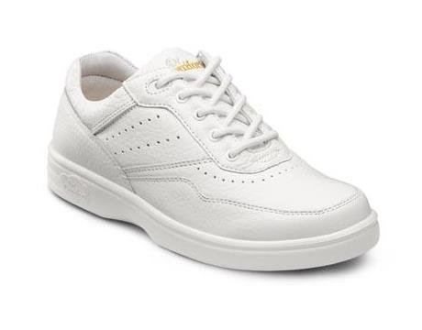
1040-M-06.0 | PATTY WHITE 06.0 MD | Womens Sneakers | PATTY WHITE 06.0 MD | PATTY WHITE | 16
1040-W-06.5 | PATTY WHITE 06.5 WD | Womens Sneakers | PATTY WHITE 06.5 WD | PATTY WHITE | 1
1040-X-06.5 | PATTY WHITE 06.5 XW | Womens Sneakers | PATTY WHITE 06.5 XW | PATTY WHITE | 1
1040-M-07.5 | PATTY WHITE 07.5 MD | Womens Sneakers | PATTY WHITE 07.5 MD | PATTY WHITE | 3
1040-X-07.5 | PATTY WHITE 07.5 XW | Womens Sneakers | PATTY WHITE 07.5 XW | PATTY WHITE | 13
1040-X-08.0 | PATTY WHITE 08.0 XW | Womens Sneakers | PATTY WHITE 08.0 XW | PATTY WHITE | 48
1040-X-09.0 | PATTY WHITE 09.0 XW | Womens Sneakers | PATTY WHITE 09.0 XW | PATTY WHITE | 8
1040-X-10.0 | PATTY WHITE 10.0 XW | Womens Sneakers | PATTY WHITE 10.0 XW | PATTY WHITE | 6
1040-X-06.0 | Patty White 6 XWide | Womens Sneakers | Patty White 6 XWide | PATTY WHITE | 30
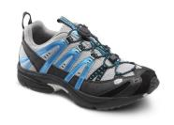
 |  |  |  |  | 126

7650-M-06.5 | PERFORMANCE BLUE 06.5 MD | Men Sneakers | PERFORMANCE BLUE 06.5 MD | PERFORMANCE BLUE | 1
7650-M-07.0 | PERFORMANCE BLUE 07.0 MD | Men Sneakers | PERFORMANCE BLUE 07.0 MD | PERFORMANCE BLUE | 51
7650-W-07.0 | PERFORMANCE BLUE 07.0 WD | Men Sneakers | PERFORMANCE BLUE 07.0 WD | PERFORMANCE BLUE | 11
7650-W-07.5 | PERFORMANCE BLUE 07.5 WD | Men Sneakers | PERFORMANCE BLUE 07.5 WD | PERFORMANCE BLUE | 1
7650-M-08.0 | PERFORMANCE BLUE 08.0 MD | Men Sneakers | PERFORMANCE BLUE 08.0 MD | PERFORMANCE BLUE | 30
7650-M-11.5 | PERFORMANCE BLUE 11.5 MD | Men Sneakers | PERFORMANCE BLUE 11.5 MD | PERFORMANCE BLUE | 22
 |  |  |  |  | 116

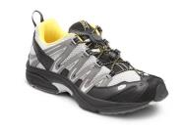
7645-M-06.0 | PERFORMANCE GREY/YELLOW 06.0 MD | Men Sneakers | PERFORMANCE GREY/YELLOW 06.0 MD | PERFORMANCE GREY/YELLOW | 69
7645-W-06.0 | PERFORMANCE GREY/YELLOW 06.0 WD | Men Sneakers | PERFORMANCE GREY/YELLOW 06.0 WD | PERFORMANCE GREY/YELLOW | 90
7645-X-06.0 | PERFORMANCE GREY/YELLOW 06.0 XW | Men Sneakers | PERFORMANCE GREY/YELLOW 06.0 XW | PERFORMANCE GREY/YELLOW | 86
7645-W-06.5 | PERFORMANCE GREY/YELLOW 06.5 WD | Men Sneakers | PERFORMANCE GREY/YELLOW 06.5 WD | PERFORMANCE GREY/YELLOW | 24
7645-M-07.0 | PERFORMANCE GREY/YELLOW 07.0 MD | Men Sneakers | PERFORMANCE GREY/YELLOW 07.0 MD | PERFORMANCE GREY/YELLOW | 18
7645-X-07.0 | PERFORMANCE GREY/YELLOW 07.0 XW | Men Sneakers | PERFORMANCE GREY/YELLOW 07.0 XW | PERFORMANCE GREY/YELLOW | 117
7645-M-11.5 | PERFORMANCE GREY/YELLOW 11.5 MD | Men Sneakers | PERFORMANCE GREY/YELLOW 11.5 MD | PERFORMANCE GREY/YELLOW | 28
7645-M-15.0 | PERFORMANCE GREY/YELLOW 15.0 MD | Men Sneakers | PERFORMANCE GREY/YELLOW 15.0 MD | PERFORMANCE GREY/YELLOW | 58
 |  |  |  |  | 490
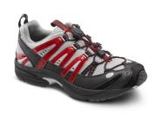
7670-M-07.0 | PERFORMANCE RED 07.0 MD | Men Sneakers | PERFORMANCE RED 07.0 MD | PERFORMANCE RED | 25
7670-W-07.0 | PERFORMANCE RED 07.0 WD | Men Sneakers | PERFORMANCE RED 07.0 WD | PERFORMANCE RED | 5
7670-M-08.0 | PERFORMANCE RED 08.0 MD | Men Sneakers | PERFORMANCE RED 08.0 MD | PERFORMANCE RED | 17
7670-M-09.0 | PERFORMANCE RED 09.0 MD | Men Sneakers | PERFORMANCE RED 09.0 MD | PERFORMANCE RED | 30
7670-M-10.0 | PERFORMANCE RED 10.0 MD | Men Sneakers | PERFORMANCE RED 10.0 MD | PERFORMANCE RED | 10
7670-M-10.5 | PERFORMANCE RED 10.5 MD | Men Sneakers | PERFORMANCE RED 10.5 MD | PERFORMANCE RED | 45
7670-M-11.5 | PERFORMANCE RED 11.5 MD | Men Sneakers | PERFORMANCE RED 11.5 MD | PERFORMANCE RED | 32
 |  |  |  |  | 164
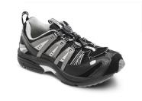
9910-M-07.5 | PERFORMANCE X BLACK 07.5 MD | Men Sneakers | PERFORMANCE_X BLACK 07.5 MD | PERFORMANCE_X BLACK | 2
9910-M-08.0 | PERFORMANCE X BLACK 08.0 MD | Men Sneakers | PERFORMANCE_X BLACK 08.0 MD | PERFORMANCE_X BLACK | 4
9910-M-15.0 | PERFORMANCE X BLACK 15.0 MD | Men Sneakers | PERFORMANCE_X BLACK 15.0 MD | PERFORMANCE_X BLACK | 1
 |  |  |  |  | 7

5810-W-10.5 | PLYMOUTH BLACK 10.5 WD |  | PLYMOUTH BLACK 10.5 WD | PLYMOUTH BLACK | 36
5810-W-11.0 | PLYMOUTH BLACK 11.0 WD |  | PLYMOUTH BLACK 11.0 WD | PLYMOUTH BLACK | 126
 |  |  |  |  | 162 | 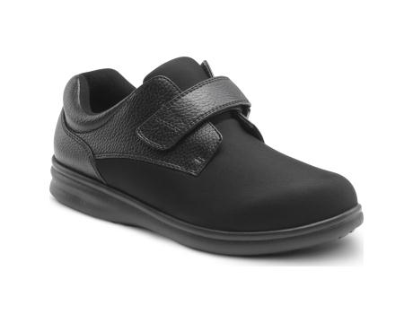

9310-M-06.5 | Protector Black 6 1/2 Med | Mens Boots | Protector Black 6 1/2 Med | PROTECTOR BLACK | 2
9310-W-06.5 | Protector Black 6 1/2 Wide | Mens Boots | Protector Black 6 1/2 Wide | PROTECTOR BLACK | 21
9310-W-06.0 | PROTECTOR BLACK 6 WIDE/EURO-39/UK-5.5 | Mens Boots | PROTECTOR BLACK 6 WIDE/EURO-39/UK-5.5 | PROTECTOR BLACK | 26
9310-M-07.0 | PROTECTOR BLACK 7 MED/EURO-40/UK-6.5 | Mens Boots | PROTECTOR BLACK 7 MED/EURO-40/UK-6.5 | PROTECTOR BLACK | 3
9310-W-07.0 | PROTECTOR BLACK 7 WIDE/EURO-40/UK-6.5 | Mens Boots | PROTECTOR BLACK 7 WIDE/EURO-40/UK-6.5 | PROTECTOR BLACK | 38
 |  |  |  |  | 90 | 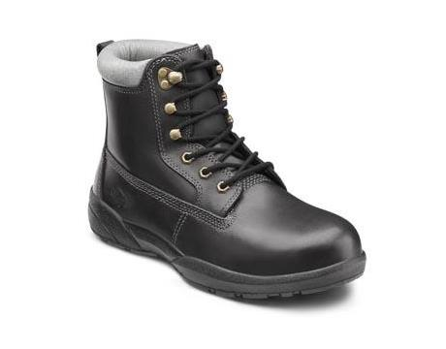
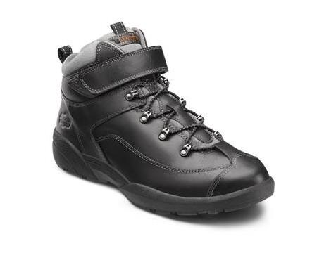
9410-W-15.0 | Ranger Black 15 Wide | Mens Boots | Ranger Black 15 Wide | RANGER BLACK | 13
9410-M-06.0 | RANGER BLACK MED UK-5.5/US-6 | Mens Boots | RANGER BLACK MED UK-5.5/US-6 | RANGER BLACK | 2
9410-M-07.0 | RANGER BLACK MED UK-6.5/US-7 | Mens Boots | RANGER BLACK MED UK-6.5/US-7 | RANGER BLACK | 12
9410-M-06.5 | RANGER BLACK MED UK-6/US-6.5 | Mens Boots | RANGER BLACK MED UK-6/US-6.5 | RANGER BLACK | 6
9410-X-07.0 | RANGER BLACK XWIDE UK-6.5/US-7 | Mens Boots | RANGER BLACK XWIDE UK-6.5/US-7 | RANGER BLACK | 9
 |  |  |  |  | 42

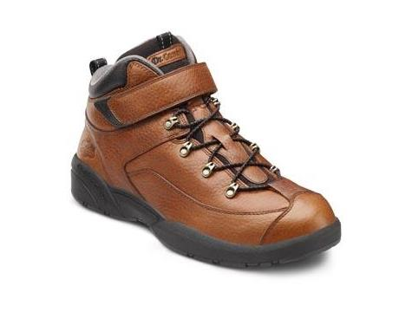
9420-M-08.0 | RANGER CHESTNUT 08.0 MD | Mens Boots | RANGER CHESTNUT 08.0 MD | RANGER CHESTNUT | 296
9420-M-08.5 | RANGER CHESTNUT 08.5 MD | Mens Boots | RANGER CHESTNUT 08.5 MD | RANGER CHESTNUT | 98
9420-M-09.0 | RANGER CHESTNUT 09.0 MD | Mens Boots | RANGER CHESTNUT 09.0 MD | RANGER CHESTNUT | 368
9420-M-09.5 | RANGER CHESTNUT 09.5 MD | Mens Boots | RANGER CHESTNUT 09.5 MD | RANGER CHESTNUT | 180
9420-M-10.0 | RANGER CHESTNUT 10.0 MD | Mens Boots | RANGER CHESTNUT 10.0 MD | RANGER CHESTNUT | 643
9420-M-10.5 | RANGER CHESTNUT 10.5 MD | Mens Boots | RANGER CHESTNUT 10.5 MD | RANGER CHESTNUT | 602
9420-M-11.0 | RANGER CHESTNUT 11.0 MD | Mens Boots | RANGER CHESTNUT 11.0 MD | RANGER CHESTNUT | 823
9420-M-11.5 | RANGER CHESTNUT 11.5 MD | Mens Boots | RANGER CHESTNUT 11.5 MD | RANGER CHESTNUT | 421
9420-M-12.0 | RANGER CHESTNUT 12.0 MD | Mens Boots | RANGER CHESTNUT 12.0 MD | RANGER CHESTNUT | 803
9420-M-13.0 | RANGER CHESTNUT 13.0 MD | Mens Boots | RANGER CHESTNUT 13.0 MD | RANGER CHESTNUT | 609
 |  |  |  |  | 4843

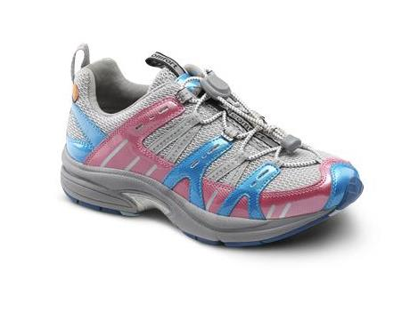
3976-X-04.5 | Refresh Berry 4 1/2 XWide | Womens Sneakers | Refresh Berry 4 1/2 XWide | REFRESH BERRY | 3
3976-X-04.0 | REFRESH BERRY 04.0 XW | Womens Sneakers | REFRESH BERRY 04.0 XW | REFRESH BERRY | 1
3976-M-05.5 | REFRESH BERRY 05.5 MD | Womens Sneakers | REFRESH BERRY 05.5 MD | REFRESH BERRY | 16
3976-X-06.0 | REFRESH BERRY 06.0 XW | Womens Sneakers | REFRESH BERRY 06.0 XW | REFRESH BERRY | 4
3976-M-07.0 | REFRESH BERRY 07.0 MD | Womens Sneakers | REFRESH BERRY 07.0 MD | REFRESH BERRY | 46
3976-M-10.0 | REFRESH BERRY 10.0 MD | Womens Sneakers | REFRESH BERRY 10.0 MD | REFRESH BERRY | 12
3976-W-12.0 | REFRESH BERRY 12.0 WD | Womens Sneakers | REFRESH BERRY 12.0 WD | REFRESH BERRY | 1
 |  |  |  |  | 83
3950-M-04.0 | REFRESH BLUE 04.0 MD | Womens Sneakers | REFRESH BLUE 04.0 MD | REFRESH BLUE | 72
3950-W-04.0 | REFRESH BLUE 04.0 WD | Womens Sneakers | REFRESH BLUE 04.0 WD | REFRESH BLUE | 69
3950-X-04.0 | REFRESH BLUE 04.0 XW | Womens Sneakers | REFRESH BLUE 04.0 XW | REFRESH BLUE | 45
3950-X-04.5 | REFRESH BLUE 04.5 XW | Womens Sneakers | REFRESH BLUE 04.5 XW | REFRESH BLUE | 2
3950-M-05.0 | REFRESH BLUE 05.0 MD | Womens Sneakers | REFRESH BLUE 05.0 MD | REFRESH BLUE | 26
3950-W-05.0 | REFRESH BLUE 05.0 WD | Womens Sneakers | REFRESH BLUE 05.0 WD | REFRESH BLUE | 7
3950-M-05.5 | REFRESH BLUE 05.5 MD | Womens Sneakers | REFRESH BLUE 05.5 MD | REFRESH BLUE | 3
3950-W-06.0 | REFRESH BLUE 06.0 WD | Womens Sneakers | REFRESH BLUE 06.0 WD | REFRESH BLUE | 75
3950-X-06.0 | REFRESH BLUE 06.0 XW | Womens Sneakers | REFRESH BLUE 06.0 XW | REFRESH BLUE | 24
3950-X-06.5 | REFRESH BLUE 06.5 XW | Womens Sneakers | REFRESH BLUE 06.5 XW | REFRESH BLUE | 26
3950-X-05.0 | Refresh Blue 5 XWide | Womens Sneakers | Refresh Blue 5 XWide | REFRESH BLUE | 27
 |  |  |  |  | 376

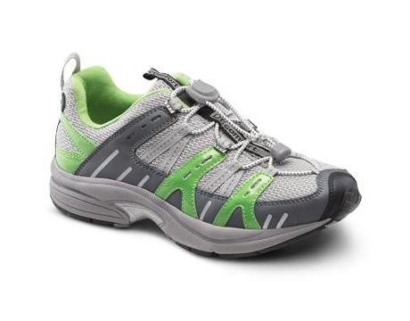
3925-X-04.0 | REFRESH LIME 04.0 XW | Womens Sneakers | REFRESH LIME 04.0 XW | REFRESH LIME | 2
3925-M-05.5 | REFRESH LIME 05.5 MD | Womens Sneakers | REFRESH LIME 05.5 MD | REFRESH LIME | 20
3925-W-05.5 | REFRESH LIME 05.5 WD | Womens Sneakers | REFRESH LIME 05.5 WD | REFRESH LIME | 11
3925-M-06.0 | REFRESH LIME 06.0 MD | Womens Sneakers | REFRESH LIME 06.0 MD | REFRESH LIME | 7
3925-M-06.5 | REFRESH LIME 06.5 MD | Womens Sneakers | REFRESH LIME 06.5 MD | REFRESH LIME | 48
3925-W-06.5 | REFRESH LIME 06.5 WD | Womens Sneakers | REFRESH LIME 06.5 WD | REFRESH LIME | 25
3925-M-07.0 | REFRESH LIME 07.0 MD | Womens Sneakers | REFRESH LIME 07.0 MD | REFRESH LIME | 78
3925-M-07.5 | REFRESH LIME 07.5 MD | Womens Sneakers | REFRESH LIME 07.5 MD | REFRESH LIME | 132
3925-W-07.5 | REFRESH LIME 07.5 WD | Womens Sneakers | REFRESH LIME 07.5 WD | REFRESH LIME | 378
3925-X-08.0 | REFRESH LIME 08.0 XW | Womens Sneakers | REFRESH LIME 08.0 XW | REFRESH LIME | 19
3925-M-08.5 | REFRESH LIME 08.5 MD | Womens Sneakers | REFRESH LIME 08.5 MD | REFRESH LIME | 75
3925-X-08.5 | REFRESH LIME 08.5 XW | Womens Sneakers | REFRESH LIME 08.5 XW | REFRESH LIME | 58
3925-X-09.0 | REFRESH LIME 09.0 XW | Womens Sneakers | REFRESH LIME 09.0 XW | REFRESH LIME | 54
3925-M-09.5 | REFRESH LIME 09.5 MD | Womens Sneakers | REFRESH LIME 09.5 MD | REFRESH LIME | 112
3925-W-09.5 | REFRESH LIME 09.5 WD | Womens Sneakers | REFRESH LIME 09.5 WD | REFRESH LIME | 22
3925-M-10.0 | REFRESH LIME 10.0 MD | Womens Sneakers | REFRESH LIME 10.0 MD | REFRESH LIME | 128
3925-W-10.5 | REFRESH LIME 10.5 WD | Womens Sneakers | REFRESH LIME 10.5 WD | REFRESH LIME | 11
3925-X-10.5 | REFRESH LIME 10.5 XW | Womens Sneakers | REFRESH LIME 10.5 XW | REFRESH LIME | 34
3925-W-11.0 | REFRESH LIME 11.0 WD | Womens Sneakers | REFRESH LIME 11.0 WD | REFRESH LIME | 2
3925-M-12.0 | REFRESH LIME 12.0 MD | Womens Sneakers | REFRESH LIME 12.0 MD | REFRESH LIME | 5
3925-W-04.0 | Refresh Lime 4 Wide | Womens Sneakers | Refresh Lime 4 Wide | REFRESH LIME | 17
3925-X-05.0 | Refresh Lime 5 XWide | Womens Sneakers | Refresh Lime 5 XWide | REFRESH LIME | 1
 |  |  |  |  | 1239

3965-M-10.0 | Refresh Pink 10 Medium | Womens Sneakers | Refresh Pink 10 Medium | REFRESH PINK | 18
3965-X-10.0 | Refresh Pink 10 XWide | Womens Sneakers | Refresh Pink 10 XWide | REFRESH PINK | 9
3965-M-12.0 | Refresh Pink 12 Medium | Womens Sneakers | Refresh Pink 12 Medium | REFRESH PINK | 48
 |  |  |  |  | 75 | 

2950-W-04.0 | REFRESH X BLUE 04.0 WD | Womens Sneakers | REFRESH_X BLUE 04.0 WD | REFRESH_X BLUE | 9
2950-M-04.5 | REFRESH X BLUE 04.5 MD | Womens Sneakers | REFRESH_X BLUE 04.5 MD | REFRESH_X BLUE | 9
2950-M-06.0 | REFRESH X BLUE 06.0 MD | Womens Sneakers | REFRESH_X BLUE 06.0 MD | REFRESH_X BLUE | 5
2950-M-06.5 | REFRESH X BLUE 06.5 MD | Womens Sneakers | REFRESH_X BLUE 06.5 MD | REFRESH_X BLUE | 6
2950-M-05.0 | Refresh X Blue 5 Medium | Womens Sneakers | Refresh_X Blue 5 Medium | REFRESH_X BLUE | 8
 |  |  |  |  | 37


0210-W-05.5 | RILEY BLACK 05.5 WD | Womens Sneakers | RILEY BLACK 05.5 WD | RILEY BLACK | 1
0210-M-06.0 | RILEY BLACK 06.0 MD | Womens Sneakers | RILEY BLACK 06.0 MD | RILEY BLACK | 3
0210-W-06.0 | RILEY BLACK 06.0 WD | Womens Sneakers | RILEY BLACK 06.0 WD | RILEY BLACK | 66
0210-W-06.5 | RILEY BLACK 06.5 WD | Womens Sneakers | RILEY BLACK 06.5 WD | RILEY BLACK | 14
0210-W-07.0 | RILEY BLACK 07.0 WD | Womens Sneakers | RILEY BLACK 07.0 WD | RILEY BLACK | 20
0210-M-05.5 | Riley Black 5 1/2 Med | Womens Sneakers | Riley Black 5 1/2 Med | RILEY BLACK | 19
0210-X-06.5 | Riley Black 6 1/2 XWide | Womens Sneakers | Riley Black 6 1/2 XWide | RILEY BLACK | 2
0210-W-08.0 | Riley Black 8 Wide | Womens Sneakers | Riley Black 8 Wide | RILEY BLACK | 49
 |  |  |  |  | 174
0240-W-05.5 | RILEY WHITE 05.5 WD | Womens Sneakers | RILEY WHITE 05.5 WD | RILEY WHITE | 36

0240-M-06.0 | RILEY WHITE 06.0 MD | Womens Sneakers | RILEY WHITE 06.0 MD | RILEY WHITE | 15
0240-W-06.0 | RILEY WHITE 06.0 WD | Womens Sneakers | RILEY WHITE 06.0 WD | RILEY WHITE | 343
0240-X-06.0 | RILEY WHITE 06.0 XW | Womens Sneakers | RILEY WHITE 06.0 XW | RILEY WHITE | 3
0240-W-06.5 | RILEY WHITE 06.5 WD | Womens Sneakers | RILEY WHITE 06.5 WD | RILEY WHITE | 32
0240-W-07.0 | RILEY WHITE 07.0 WD | Womens Sneakers | RILEY WHITE 07.0 WD | RILEY WHITE | 29
0240-W-07.5 | RILEY WHITE 07.5 WD | Womens Sneakers | RILEY WHITE 07.5 WD | RILEY WHITE | 59
0240-X-07.5 | RILEY WHITE 07.5 XW | Womens Sneakers | RILEY WHITE 07.5 XW | RILEY WHITE | 27
0240-W-08.0 | RILEY WHITE 08.0 WD | Womens Sneakers | RILEY WHITE 08.0 WD | RILEY WHITE | 211
0240-X-08.0 | RILEY WHITE 08.0 XW | Womens Sneakers | RILEY WHITE 08.0 XW | RILEY WHITE | 10
0240-W-08.5 | RILEY WHITE 08.5 WD | Womens Sneakers | RILEY WHITE 08.5 WD | RILEY WHITE | 33
0240-X-08.5 | RILEY WHITE 08.5 XW | Womens Sneakers | RILEY WHITE 08.5 XW | RILEY WHITE | 4
0240-W-09.0 | RILEY WHITE 09.0 WD | Womens Sneakers | RILEY WHITE 09.0 WD | RILEY WHITE | 1
0240-W-09.5 | RILEY WHITE 09.5 WD | Womens Sneakers | RILEY WHITE 09.5 WD | RILEY WHITE | 16
0240-W-10.0 | RILEY WHITE 10.0 WD | Womens Sneakers | RILEY WHITE 10.0 WD | RILEY WHITE | 17
0240-X-10.0 | RILEY WHITE 10.0 XW | Womens Sneakers | RILEY WHITE 10.0 XW | RILEY WHITE | 18
0240-X-11.0 | RILEY WHITE 11.0 XW | Womens Sneakers | RILEY WHITE 11.0 XW | RILEY WHITE | 5
0240-X-06.5 | Riley White 6 1/2 XWide | Womens Sneakers | Riley White 6 1/2 XWide | RILEY WHITE | 8
0240-X-07.0 | Riley White 7 XWide | Womens Sneakers | Riley White 7 XWide | RILEY WHITE | 34
 |  |  |  |  | 901


7040-M-06.5 | ROBERT WHITE 06.5 MD | Mens Sneakers | ROBERT WHITE 06.5 MD | ROBERT WHITE | 9
7040-W-07.0 | ROBERT WHITE 07.0 WD | Mens Sneakers | ROBERT WHITE 07.0 WD | ROBERT WHITE | 9
7040-W-07.5 | ROBERT WHITE 07.5 WD | Mens Sneakers | ROBERT WHITE 07.5 WD | ROBERT WHITE | 4
7040-W-08.0 | ROBERT WHITE 08.0 WD | Mens Sneakers | ROBERT WHITE 08.0 WD | ROBERT WHITE | 348
7040-M-08.5 | ROBERT WHITE 08.5 MD | Mens Sneakers | ROBERT WHITE 08.5 MD | ROBERT WHITE | 9
7040-W-10.0 | ROBERT WHITE 10.0 WD | Mens Sneakers | ROBERT WHITE 10.0 WD | ROBERT WHITE | 1
7040-M-11.5 | ROBERT WHITE 11.5 MD | Mens Sneakers | ROBERT WHITE 11.5 MD | ROBERT WHITE | 7
7040-W-11.5 | ROBERT WHITE 11.5 WD | Mens Sneakers | ROBERT WHITE 11.5 WD | ROBERT WHITE | 5
7040-X-13.0 | ROBERT WHITE 13.0 XW | Mens Sneakers | ROBERT WHITE 13.0 XW | ROBERT WHITE | 18
7040-M-14.0 | Robert White 14 Med | Mens Sneakers | Robert White 14 Med | ROBERT WHITE | 6
7040-X-14.0 | ROBERT WHITE 14.0 XW | Mens Sneakers | ROBERT WHITE 14.0 XW | ROBERT WHITE | 2
7040-X-15.0 | ROBERT WHITE 15.0 XW | Mens Sneakers | ROBERT WHITE 15.0 XW | ROBERT WHITE | 4
7040-M-07.5 | Robert White 7 1/2 Med | Mens Sneakers | Robert White 7 1/2 Med | ROBERT WHITE | 9
7040-M-08.0 | Robert White 8 Med | Mens Sneakers | Robert White 8 Med | ROBERT WHITE | 9
7040-X-08.0 | Robert White 8 XWide | Mens Sneakers | Robert White 8 XWide | ROBERT WHITE | 4
 |  |  |  |  | 444

225110-MW-10.0 | Roy Flex OA Black 10 MD/WD | Mens Sneakers | Roy_FLEX_OA Black 10 MD/WD | ROY_FLEX_OA BLACK | 48
225110-X-10.0 | Roy Flex OA Black 10 XWide | Mens Sneakers | Roy_FLEX_OA Black 10 XWide | ROY_FLEX_OA BLACK | 617
225110-MW-11.0 | Roy Flex OA Black 11 MD/WD | Mens Sneakers | Roy_FLEX_OA Black 11 MD/WD | ROY_FLEX_OA BLACK | 58
225110-X-11.0 | Roy Flex OA Black 11 XWide | Mens Sneakers | Roy_FLEX_OA Black 11 XWide | ROY_FLEX_OA BLACK | 622
225110-MW-12.0 | Roy Flex OA Black 12 MD/WD | Mens Sneakers | Roy_FLEX_OA Black 12 MD/WD | ROY_FLEX_OA BLACK | 408
225110-X-12.0 | Roy Flex OA Black 12 XWide | Mens Sneakers | Roy_FLEX_OA Black 12 XWide | ROY_FLEX_OA BLACK | 149
225110-MW-13.0 | Roy Flex OA Black 13 MD/WD | Mens Sneakers | Roy_FLEX_OA Black 13 MD/WD | ROY_FLEX_OA BLACK | 191
225110-X-13.0 | Roy Flex OA Black 13 XWide | Mens Sneakers | Roy_FLEX_OA Black 13 XWide | ROY_FLEX_OA BLACK | 330
225110-MW-14.0 | Roy Flex OA Black 14 MD/WD | Mens Sneakers | Roy_FLEX_OA Black 14 MD/WD | ROY_FLEX_OA BLACK | 130
225110-X-14.0 | Roy Flex OA Black 14 XWide | Mens Sneakers | Roy_FLEX_OA Black 14 XWide | ROY_FLEX_OA BLACK | 207
225110-MW-08.0 | Roy Flex OA Black 8 MD/WD | Mens Sneakers | Roy_FLEX_OA Black 8 MD/WD | ROY_FLEX_OA BLACK | 72
225110-X-08.0 | Roy Flex OA Black 8 XWide | Mens Sneakers | Roy_FLEX_OA Black 8 XWide | ROY_FLEX_OA BLACK | 144
225110-MW-09.0 | Roy Flex OA Black 9 MD/WD | Mens Sneakers | Roy_FLEX_OA Black 9 MD/WD | ROY_FLEX_OA BLACK | 48
225110-X-09.0 | Roy Flex OA Black 9 XWide | Mens Sneakers | Roy_FLEX_OA Black 9 XWide | ROY_FLEX_OA BLACK | 233
 |  |  |  |  | 3257


220080-MW-05.0 | SANDY FLEX OA GREY 05.0 MD/WD | Womens Sneakers | SANDY_FLEX_OA GREY 05.0 MD/WD | SANDY_FLEX_OA GREY | 191
220080-X-05.0 | SANDY FLEX OA GREY 05.0 XW | Womens Sneakers | SANDY_FLEX_OA GREY 05.0 XW | SANDY_FLEX_OA GREY | 261
220080-X-06.0 | SANDY FLEX OA GREY 06.0 XW | Womens Sneakers | SANDY_FLEX_OA GREY 06.0 XW | SANDY_FLEX_OA GREY | 216
220080-X-07.0 | SANDY FLEX OA GREY 07.0 XW | Womens Sneakers | SANDY_FLEX_OA GREY 07.0 XW | SANDY_FLEX_OA GREY | 550
220080-X-08.0 | SANDY FLEX OA GREY 08.0 XW | Womens Sneakers | SANDY_FLEX_OA GREY 08.0 XW | SANDY_FLEX_OA GREY | 290
220080-MW-09.0 | SANDY FLEX OA GREY 09.0 MD/WD | Womens Sneakers | SANDY_FLEX_OA GREY 09.0 MD/WD | SANDY_FLEX_OA GREY | 27
220080-X-09.0 | SANDY FLEX OA GREY 09.0 XW | Womens Sneakers | SANDY_FLEX_OA GREY 09.0 XW | SANDY_FLEX_OA GREY | 171
220080-X-10.0 | SANDY FLEX OA GREY 10.0 XW | Womens Sneakers | SANDY_FLEX_OA GREY 10.0 XW | SANDY_FLEX_OA GREY | 21
220080-MW-11.0 | SANDY FLEX OA GREY 11.0 MD/WD | Womens Sneakers | SANDY_FLEX_OA GREY 11.0 MD/WD | SANDY_FLEX_OA GREY | 237
 |  |  |  |  | 1964


220050-MW-05.0 | SANDY FLEX OA LT BLUE 05.0 MD/WD | Womens Sneakers | SANDY_FLEX_OA LT_BLUE 05.0 MD/WD | SANDY_FLEX_OA LT_BLUE | 333
220050-X-05.0 | SANDY FLEX OA LT BLUE 05.0 XW | Womens Sneakers | SANDY_FLEX_OA LT_BLUE 05.0 XW | SANDY_FLEX_OA LT_BLUE | 288
220050-MW-06.0 | SANDY FLEX OA LT BLUE 06.0 MD/WD | Womens Sneakers | SANDY_FLEX_OA LT_BLUE 06.0 MD/WD | SANDY_FLEX_OA LT_BLUE | 108
220050-X-06.0 | SANDY FLEX OA LT BLUE 06.0 XW | Womens Sneakers | SANDY_FLEX_OA LT_BLUE 06.0 XW | SANDY_FLEX_OA LT_BLUE | 342
220050-X-07.0 | SANDY FLEX OA LT BLUE 07.0 XW | Womens Sneakers | SANDY_FLEX_OA LT_BLUE 07.0 XW | SANDY_FLEX_OA LT_BLUE | 658
220050-X-08.0 | SANDY FLEX OA LT BLUE 08.0 XW | Womens Sneakers | SANDY_FLEX_OA LT_BLUE 08.0 XW | SANDY_FLEX_OA LT_BLUE | 426
220050-MW-09.0 | SANDY FLEX OA LT BLUE 09.0 MD/WD | Womens Sneakers | SANDY_FLEX_OA LT_BLUE 09.0 MD/WD | SANDY_FLEX_OA LT_BLUE | 58
220050-X-09.0 | SANDY FLEX OA LT BLUE 09.0 XW | Womens Sneakers | SANDY_FLEX_OA LT_BLUE 09.0 XW | SANDY_FLEX_OA LT_BLUE | 452
220050-MW-10.0 | SANDY FLEX OA LT BLUE 10.0 MD/WD | Womens Sneakers | SANDY_FLEX_OA LT_BLUE 10.0 MD/WD | SANDY_FLEX_OA LT_BLUE | 67
220050-X-10.0 | SANDY FLEX OA LT BLUE 10.0 XW | Womens Sneakers | SANDY_FLEX_OA LT_BLUE 10.0 XW | SANDY_FLEX_OA LT_BLUE | 80
220050-MW-11.0 | SANDY FLEX OA LT BLUE 11.0 MD/WD | Womens Sneakers | SANDY_FLEX_OA LT_BLUE 11.0 MD/WD | SANDY_FLEX_OA LT_BLUE | 94
 |  |  |  |  | 2906

9010-X-10.5 | Scott Black 10 1/2 XWide | Men Shoes | Scott Black 10 1/2 XWide | SCOTT BLACK | 236
9010-X-11.5 | Scott Black 11 1/2 XWide | Men Shoes | Scott Black 11 1/2 XWide | SCOTT BLACK | 178
9010-X-08.5 | Scott Black 8 1/2 XWide | Men Shoes | Scott Black 8 1/2 XWide | SCOTT BLACK | 180
9010-X-08.0 | Scott Black 8 XWide | Men Shoes | Scott Black 8 XWide | SCOTT BLACK | 46
9010-X-09.5 | Scott Black 9 1/2 XWide | Men Shoes | Scott Black 9 1/2 XWide | SCOTT BLACK | 207
9010-X-09.0 | Scott Black 9 XWide | Men Shoes | Scott Black 9 XWide | SCOTT BLACK | 153
 |  |  |  |  | 1000


9020-W-06.0 | SCOTT CHESTNUT 06.0 WD | Men Shoes | SCOTT CHESTNUT 06.0 WD | SCOTT CHESTNUT | 3
9020-X-06.0 | SCOTT CHESTNUT 06.0 XW | Men Shoes | SCOTT CHESTNUT 06.0 XW | SCOTT CHESTNUT | 6
9020-X-07.0 | SCOTT CHESTNUT 07.0 XW | Men Shoes | SCOTT CHESTNUT 07.0 XW | SCOTT CHESTNUT | 29
9020-M-08.0 | SCOTT CHESTNUT 08.0 MD | Men Shoes | SCOTT CHESTNUT 08.0 MD | SCOTT CHESTNUT | 4
9020-M-11.5 | SCOTT CHESTNUT 11.5 MD | Men Shoes | SCOTT CHESTNUT 11.5 MD | SCOTT CHESTNUT | 7
9020-W-15.0 | Scott Chestnut 15 Wide | Men Shoes | Scott Chestnut 15 Wide | SCOTT CHESTNUT | 6
9020-X-15.0 | Scott Chestnut 15 XWide | Men Shoes | Scott Chestnut 15 XWide | SCOTT CHESTNUT | 17
9020-M-06.5 | Scott Chestnut 6 1/2 Med | Men Shoes | Scott Chestnut 6 1/2 Med | SCOTT CHESTNUT | 5
9020-W-06.5 | Scott Chestnut 6 1/2 Wide | Men Shoes | Scott Chestnut 6 1/2 Wide | SCOTT CHESTNUT | 4
9020-M-06.0 | Scott Chestnut 6 Med | Men Shoes | Scott Chestnut 6 Med | SCOTT CHESTNUT | 1
 |  |  |  |  | 82


9030-M-06.5 | SCOTT KHAKI 06.5 MD | Mens Sneakers | SCOTT KHAKI 06.5 MD | SCOTT KHAKI | 1
9030-W-06.5 | SCOTT KHAKI 06.5 WD | Mens Sneakers | SCOTT KHAKI 06.5 WD | SCOTT KHAKI | 5
9030-X-06.5 | SCOTT KHAKI 06.5 XW | Mens Sneakers | SCOTT KHAKI 06.5 XW | SCOTT KHAKI | 9
9030-M-07.0 | SCOTT KHAKI 07.0 MD | Mens Sneakers | SCOTT KHAKI 07.0 MD | SCOTT KHAKI | 11
9030-X-09.0 | SCOTT KHAKI 09.0 XW | Mens Sneakers | SCOTT KHAKI 09.0 XW | SCOTT KHAKI | 1
9030-M-14.0 | SCOTT KHAKI 14.0 MD | Mens Sneakers | SCOTT KHAKI 14.0 MD | SCOTT KHAKI | 2
9030-W-14.0 | SCOTT KHAKI 14.0 WD | Mens Sneakers | SCOTT KHAKI 14.0 WD | SCOTT KHAKI | 9
9030-W-15.0 | Scott Khaki 15 Wide | Mens Sneakers | Scott Khaki 15 Wide | SCOTT KHAKI | 3
9030-M-15.0 | SCOTT KHAKI 15.0 MD | Mens Sneakers | SCOTT KHAKI 15.0 MD | SCOTT KHAKI | 9
 |  |  |  |  | 197

9040-W-06.0 | SCOTT WHITE 06.0 WD | Mens Sneakers | SCOTT WHITE 06.0 WD | SCOTT WHITE | 3
9040-M-06.5 | SCOTT WHITE 06.5 MD | Mens Sneakers | SCOTT WHITE 06.5 MD | SCOTT WHITE | 9
9040-W-06.5 | SCOTT WHITE 06.5 WD | Mens Sneakers | SCOTT WHITE 06.5 WD | SCOTT WHITE | 9
9040-M-07.0 | SCOTT WHITE 07.0 MD | Mens Sneakers | SCOTT WHITE 07.0 MD | SCOTT WHITE | 1
9040-M-07.5 | SCOTT WHITE 07.5 MD | Mens Sneakers | SCOTT WHITE 07.5 MD | SCOTT WHITE | 9
9040-X-08.0 | SCOTT WHITE 08.0 XW | Mens Sneakers | SCOTT WHITE 08.0 XW | SCOTT WHITE | 3
9040-M-08.5 | SCOTT WHITE 08.5 MD | Mens Sneakers | SCOTT WHITE 08.5 MD | SCOTT WHITE | 9
9040-X-09.0 | SCOTT WHITE 09.0 XW | Mens Sneakers | SCOTT WHITE 09.0 XW | SCOTT WHITE | 9
9040-W-11.5 | SCOTT WHITE 11.5 WD | Mens Sneakers | SCOTT WHITE 11.5 WD | SCOTT WHITE | 9
9040-M-12.0 | SCOTT WHITE 12.0 MD | Mens Sneakers | SCOTT WHITE 12.0 MD | SCOTT WHITE | 1
9040-X-14.0 | SCOTT WHITE 14.0 XW | Mens Sneakers | SCOTT WHITE 14.0 XW | SCOTT WHITE | 5
 |  |  |  |  | 67

3110-W-05.0 | SPIRIT PLUS BLACK 05.0 WD | Women Sneakers | SPIRIT_PLUS BLACK 05.0 WD | SPIRIT_PLUS BLACK | 35
3110-M-06.0 | SPIRIT PLUS BLACK 06.0 MD | Women Sneakers | SPIRIT_PLUS BLACK 06.0 MD | SPIRIT_PLUS BLACK | 7
3110-W-06.0 | SPIRIT PLUS BLACK 06.0 WD | Women Sneakers | SPIRIT_PLUS BLACK 06.0 WD | SPIRIT_PLUS BLACK | 7
3110-W-04.5 | Spirit Plus Black 4 1/2 Wide | Women Sneakers | Spirit_PLUS Black 4 1/2 Wide | SPIRIT_PLUS BLACK | 2
3110-X-04.0 | Spirit Plus Black 4 XWide | Women Sneakers | Spirit_PLUS Black 4 XWide | SPIRIT_PLUS BLACK | 20
3110-X-05.0 | Spirit Plus Black 5 XWide | Women Sneakers | Spirit_PLUS Black 5 XWide | SPIRIT_PLUS BLACK | 4
 |  |  |  |  | 75
3140-M-04.0 | SPIRIT PLUS WHITE MED UK-1.5/US-4 | Womens Sneakers | SPIRIT_PLUS WHITE MED UK-1.5/US-4 | SPIRIT_PLUS WHITE | 36
3140-M-05.0 | SPIRIT PLUS WHITE MED UK-2.5/US-5 | Womens Sneakers | SPIRIT_PLUS WHITE MED UK-2.5/US-5 | SPIRIT_PLUS WHITE | 89

3140-M-08.0 | SPIRIT PLUS WHITE MED UK-5.5/US-8 | Womens Sneakers | SPIRIT_PLUS WHITE MED UK-5.5/US-8 | SPIRIT_PLUS WHITE | 9
3140-M-10.0 | SPIRIT PLUS WHITE MED UK-7.5/US-10 | Womens Sneakers | SPIRIT_PLUS WHITE MED UK-7.5/US-10 | SPIRIT_PLUS WHITE | 32
3140-M-12.0 | SPIRIT PLUS WHITE MED UK-9.5/US-12 | Womens Sneakers | SPIRIT_PLUS WHITE MED UK-9.5/US-12 | SPIRIT_PLUS WHITE | 17
3140-W-04.0 | SPIRIT PLUS WHITE WIDE UK-1.5/US-4 | Womens Sneakers | SPIRIT_PLUS WHITE WIDE UK-1.5/US-4 | SPIRIT_PLUS WHITE | 126
3140-W-05.0 | SPIRIT PLUS WHITE WIDE UK-2.5/US-5 | Womens Sneakers | SPIRIT_PLUS WHITE WIDE UK-2.5/US-5 | SPIRIT_PLUS WHITE | 13
3140-W-04.5 | SPIRIT PLUS WHITE WIDE UK-2/US-4.5 | Womens Sneakers | SPIRIT_PLUS WHITE WIDE UK-2/US-4.5 | SPIRIT_PLUS WHITE | 18
3140-W-06.5 | SPIRIT PLUS WHITE WIDE UK-4/US-6.5 | Womens Sneakers | SPIRIT_PLUS WHITE WIDE UK-4/US-6.5 | SPIRIT_PLUS WHITE | 5
3140-W-10.0 | SPIRIT PLUS WHITE WIDE UK-7.5/US-10 | Womens Sneakers | SPIRIT_PLUS WHITE WIDE UK-7.5/US-10 | SPIRIT_PLUS WHITE | 43
3140-X-04.0 | SPIRIT PLUS WHITE XWIDE UK-1.5/US-4 | Womens Sneakers | SPIRIT_PLUS WHITE XWIDE UK-1.5/US-4 | SPIRIT_PLUS WHITE | 44
3140-X-05.0 | SPIRIT PLUS WHITE XWIDE UK-2.5/US-5 | Womens Sneakers | SPIRIT_PLUS WHITE XWIDE UK-2.5/US-5 | SPIRIT_PLUS WHITE | 18
3140-X-04.5 | SPIRIT PLUS WHITE XWIDE UK-2/US-4.5 | Womens Sneakers | SPIRIT_PLUS WHITE XWIDE UK-2/US-4.5 | SPIRIT_PLUS WHITE | 4
3140-X-06.0 | SPIRIT PLUS WHITE XWIDE UK-3.5/US-6 | Womens Sneakers | SPIRIT_PLUS WHITE XWIDE UK-3.5/US-6 | SPIRIT_PLUS WHITE | 180
3140-X-05.5 | SPIRIT PLUS WHITE XWIDE UK-3/US-5.5 | Womens Sneakers | SPIRIT_PLUS WHITE XWIDE UK-3/US-5.5 | SPIRIT_PLUS WHITE | 3
3140-X-10.0 | SPIRIT PLUS WHITE XWIDE UK-7.5/US-10 | Womens Sneakers | SPIRIT_PLUS WHITE XWIDE UK-7.5/US-10 | SPIRIT_PLUS WHITE | 9
3140-X-11.0 | SPIRIT PLUS WHITE XWIDE UK-8.5/US-11 | Womens Sneakers | SPIRIT_PLUS WHITE XWIDE UK-8.5/US-11 | SPIRIT_PLUS WHITE | 12
 |  |  |  |  | 658

3240-W-04.0 | SPIRIT WHITE VELCRO 04.0 WD | Womens Sneakers | SPIRIT WHITE VELCRO 04.0 WD | SPIRIT WHITE | 10
3240-W-04.5 | SPIRIT WHITE VELCRO 04.5 WD | Womens Sneakers | SPIRIT WHITE VELCRO 04.5 WD | SPIRIT WHITE | 8
3240-X-04.5 | SPIRIT WHITE VELCRO 04.5 XW | Womens Sneakers | SPIRIT WHITE VELCRO 04.5 XW | SPIRIT WHITE | 9
3240-W-05.5 | SPIRIT WHITE VELCRO 05.5 WD | Womens Sneakers | SPIRIT WHITE VELCRO 05.5 WD | SPIRIT WHITE | 5
3240-X-06.0 | SPIRIT WHITE VELCRO 06.0 XW | Womens Sneakers | SPIRIT WHITE VELCRO 06.0 XW | SPIRIT WHITE | 7
3240-X-06.5 | SPIRIT WHITE VELCRO 06.5 XW | Womens Sneakers | SPIRIT WHITE VELCRO 06.5 XW | SPIRIT WHITE | 2
3240-M-12.0 | SPIRIT WHITE VELCRO 12.0 MD | Womens Sneakers | SPIRIT WHITE VELCRO 12.0 MD | SPIRIT WHITE | 2
3240-X-05.5 | Spirit White Velcro 5 1/2 XWid | Womens Sneakers | Spirit White Velcro 5 1/2 XWid | SPIRIT WHITE | 8
3240-X-05.0 | Spirit White Velcro 5 XWide | Womens Sneakers | Spirit White Velcro 5 XWide | SPIRIT WHITE | 1
 |  |  |  |  | 52

2410-M-04.0 | SPIRIT X BLACK VELCRO 04.0 MD | Womens Sneakers | SPIRIT_X BLACK VELCRO 04.0 MD | SPIRIT_X BLACK | 5
2410-W-04.0 | SPIRIT X BLACK VELCRO 04.0 WD | Womens Sneakers | SPIRIT_X BLACK VELCRO 04.0 WD | SPIRIT_X BLACK | 6
2410-X-04.5 | SPIRIT X BLACK VELCRO 04.5 XW | Womens Sneakers | SPIRIT_X BLACK VELCRO 04.5 XW | SPIRIT_X BLACK | 4
2410-M-05.0 | SPIRIT X BLACK VELCRO 05.0 MD | Womens Sneakers | SPIRIT_X BLACK VELCRO 05.0 MD | SPIRIT_X BLACK | 18
2410-M-05.5 | SPIRIT X BLACK VELCRO 05.5 MD | Womens Sneakers | SPIRIT_X BLACK VELCRO 05.5 MD | SPIRIT_X BLACK | 4
2410-M-06.0 | SPIRIT X BLACK VELCRO 06.0 MD | Womens Sneakers | SPIRIT_X BLACK VELCRO 06.0 MD | SPIRIT_X BLACK | 11
2410-M-10.5 | SPIRIT X BLACK VELCRO 10.5 MD | Womens Sneakers | SPIRIT_X BLACK VELCRO 10.5 MD | SPIRIT_X BLACK | 12
 |  |  |  |  | 60


2440-M-04.0 | SPIRIT X WHITE VELCRO 04.0 MD | Womens Sneakers | SPIRIT_X WHITE VELCRO 04.0 MD | SPIRIT_X WHITE | 4
2440-M-04.5 | SPIRIT X WHITE VELCRO 04.5 MD | Womens Sneakers | SPIRIT_X WHITE VELCRO 04.5 MD | SPIRIT_X WHITE | 6
2440-M-05.0 | SPIRIT X WHITE VELCRO 05.0 MD | Womens Sneakers | SPIRIT_X WHITE VELCRO 05.0 MD | SPIRIT_X WHITE | 18
2440-M-05.5 | SPIRIT X WHITE VELCRO 05.5 MD | Womens Sneakers | SPIRIT_X WHITE VELCRO 05.5 MD | SPIRIT_X WHITE | 4
2440-M-06.0 | SPIRIT X WHITE VELCRO 06.0 MD | Womens Sneakers | SPIRIT_X WHITE VELCRO 06.0 MD | SPIRIT_X WHITE | 27
2440-M-08.0 | SPIRIT X WHITE VELCRO 08.0 MD | Womens Sneakers | SPIRIT_X WHITE VELCRO 08.0 MD | SPIRIT_X WHITE | 1
2440-W-11.0 | SPIRIT X WHITE VELCRO 11.0 WD | Womens Sneakers | SPIRIT_X WHITE VELCRO 11.0 WD | SPIRIT_X WHITE | 3
2440-M-12.0 | SPIRIT X WHITE VELCRO 12.0 MD | Womens Sneakers | SPIRIT_X WHITE VELCRO 12.0 MD | SPIRIT_X WHITE | 3
2440-X-04.0 | Spirit X White Velcro 4 XWide | Womens Sneakers | Spirit_X White Velcro 4 XWide | SPIRIT_X WHITE | 9
2440-X-05.5 | Spirit X White Velcro 5 1/2 XW | Womens Sneakers | Spirit_X White Velcro 5 1/2 XW | SPIRIT_X WHITE | 4
 |  |  |  |  | 79

8010-M-06.0 | STALLION BLACK 06.0 MD | Mens Shoes | STALLION BLACK 06.0 MD | STALLION BLACK | 3
8010-W-06.0 | STALLION BLACK 06.0 WD | Mens Shoes | STALLION BLACK 06.0 WD | STALLION BLACK | 20
8010-X-06.5 | STALLION BLACK 06.5 XW | Mens Shoes | STALLION BLACK 06.5 XW | STALLION BLACK | 9
8010-M-07.0 | STALLION BLACK 07.0 MD | Mens Shoes | STALLION BLACK 07.0 MD | STALLION BLACK | 1
8010-X-06.0 | Stallion Black 6 XWide | Mens Shoes | Stallion Black 6 XWide | STALLION BLACK | 9
 |  |  |  |  | 42


8020-M-06.0 | STALLION CHESTNUT 06.0 MD | Mens Shoes | STALLION CHESTNUT 06.0 MD | STALLION CHESTNUT | 2
8020-W-06.0 | STALLION CHESTNUT 06.0 WD | Mens Shoes | STALLION CHESTNUT 06.0 WD | STALLION CHESTNUT | 43
8020-X-06.0 | STALLION CHESTNUT 06.0 XW | Mens Shoes | STALLION CHESTNUT 06.0 XW | STALLION CHESTNUT | 9
8020-M-06.5 | STALLION CHESTNUT 06.5 MD | Mens Shoes | STALLION CHESTNUT 06.5 MD | STALLION CHESTNUT | 1
8020-M-15.0 | STALLION CHESTNUT 15.0 MD | Mens Shoes | STALLION CHESTNUT 15.0 MD | STALLION CHESTNUT | 1
8020-W-06.5 | Stallion Chestnut 6 1/2 Wide | Mens Shoes | Stallion Chestnut 6 1/2 Wide | STALLION CHESTNUT | 1
8020-M-07.0 | Stallion Chestnut 7 Med | Mens Shoes | Stallion Chestnut 7 Med | STALLION CHESTNUT | 5
 |  |  |  |  | 62

 |  |  |  |  | 503

2710-W-06.0 | Tonya Black 6 Wide | Womens Boots | Tonya Black 6 Wide | TONYA BLACK | 3
2710-W-07.0 | Tonya Black 7 Wide | Womens Boots | Tonya Black 7 Wide | TONYA BLACK | 184
2730-W-06.0 | Tonya Camel 6 Wide | Womens Boots | Tonya Camel 6 Wide | TONYA CAMEL | 61
 |  |  |  |  | 248 | 


1710-M-06.5 | VERONA BLACK 06.5 MD | Womens Shoes | VERONA BLACK 06.5 MD | VERONA BLACK | 9
1710-M-07.0 | VERONA BLACK 07.0 MD | Womens Shoes | VERONA BLACK 07.0 MD | VERONA BLACK | 18
1710-W-08.0 | VERONA BLACK 08.0 WD | Womens Shoes | VERONA BLACK 08.0 WD | VERONA BLACK | 162
1710-W-08.5 | VERONA BLACK 08.5 WD | Womens Shoes | VERONA BLACK 08.5 WD | VERONA BLACK | 198
1710-W-09.0 | VERONA BLACK 09.0 WD | Womens Shoes | VERONA BLACK 09.0 WD | VERONA BLACK | 279
1710-W-10.0 | VERONA BLACK 10.0 WD | Womens Shoes | VERONA BLACK 10.0 WD | VERONA BLACK | 342
1710-W-11.0 | VERONA BLACK 11.0 WD | Womens Shoes | VERONA BLACK 11.0 WD | VERONA BLACK | 45
 |  |  |  |  | 1053


3450-M-12.0 | Victory Blue Velcro 12 Medium | Womens Sneakers | Victory Blue Velcro 12 Medium | VICTORY BLUE | 3
3450-M-04.5 | Victory Blue Velcro 4 1/2 Med | Womens Sneakers | Victory Blue Velcro 4 1/2 Med | VICTORY BLUE | 9
3450-W-04.0 | Victory Blue Velcro 4 Wide | Womens Sneakers | Victory Blue Velcro 4 Wide | VICTORY BLUE | 2
3450-X-04.0 | Victory Blue Velcro 4 XWide | Womens Sneakers | Victory Blue Velcro 4 XWide | VICTORY BLUE | 4
3450-M-05.5 | Victory Blue Velcro 5 1/2 Medi | Womens Sneakers | Victory Blue Velcro 5 1/2 Medi | VICTORY BLUE | 27
3450-M-07.0 | Victory Blue Velcro 7 Medium | Womens Sneakers | Victory Blue Velcro 7 Medium | VICTORY BLUE | 9
3450-M-09.0 | Victory Blue Velcro 9 Medium | Womens Sneakers | Victory Blue Velcro 9 Medium | VICTORY BLUE | 15
 |  |  |  |  | 69
3470-M-04.0 | VICTORY PINK VELCRO 04.0 MD | Women Sneakers | VICTORY PINK VELCRO 04.0 MD | VICTORY PINK | 3
3470-M-05.0 | VICTORY PINK VELCRO 05.0 MD | Women Sneakers | VICTORY PINK VELCRO 05.0 MD | VICTORY PINK | 2
3470-M-06.0 | VICTORY PINK VELCRO 06.0 MD | Women Sneakers | VICTORY PINK VELCRO 06.0 MD | VICTORY PINK | 85
3470-W-06.0 | VICTORY PINK VELCRO 06.0 WD | Women Sneakers | VICTORY PINK VELCRO 06.0 WD | VICTORY PINK | 133
3470-X-06.0 | VICTORY PINK VELCRO 06.0 XW | Women Sneakers | VICTORY PINK VELCRO 06.0 XW | VICTORY PINK | 4
3470-M-07.0 | VICTORY PINK VELCRO 07.0 MD | Women Sneakers | VICTORY PINK VELCRO 07.0 MD | VICTORY PINK | 69
3470-W-07.0 | VICTORY PINK VELCRO 07.0 WD | Women Sneakers | VICTORY PINK VELCRO 07.0 WD | VICTORY PINK | 103
3470-X-07.0 | VICTORY PINK VELCRO 07.0 XW | Women Sneakers | VICTORY PINK VELCRO 07.0 XW | VICTORY PINK | 20
3470-M-07.5 | VICTORY PINK VELCRO 07.5 MD | Women Sneakers | VICTORY PINK VELCRO 07.5 MD | VICTORY PINK | 7
3470-M-08.0 | VICTORY PINK VELCRO 08.0 MD | Women Sneakers | VICTORY PINK VELCRO 08.0 MD | VICTORY PINK | 10
3470-W-08.0 | VICTORY PINK VELCRO 08.0 WD | Women Sneakers | VICTORY PINK VELCRO 08.0 WD | VICTORY PINK | 76
3470-X-08.0 | VICTORY PINK VELCRO 08.0 XW | Women Sneakers | VICTORY PINK VELCRO 08.0 XW | VICTORY PINK | 2
3470-X-08.5 | VICTORY PINK VELCRO 08.5 XW | Women Sneakers | VICTORY PINK VELCRO 08.5 XW | VICTORY PINK | 9
3470-M-09.0 | VICTORY PINK VELCRO 09.0 MD | Women Sneakers | VICTORY PINK VELCRO 09.0 MD | VICTORY PINK | 97
3470-W-09.0 | VICTORY PINK VELCRO 09.0 WD | Women Sneakers | VICTORY PINK VELCRO 09.0 WD | VICTORY PINK | 192
3470-X-09.0 | VICTORY PINK VELCRO 09.0 XW | Women Sneakers | VICTORY PINK VELCRO 09.0 XW | VICTORY PINK | 6
3470-M-10.0 | VICTORY PINK VELCRO 10.0 MD | Women Sneakers | VICTORY PINK VELCRO 10.0 MD | VICTORY PINK | 56
3470-X-10.0 | VICTORY PINK VELCRO 10.0 XW | Women Sneakers | VICTORY PINK VELCRO 10.0 XW | VICTORY PINK | 23
3470-M-11.0 | VICTORY PINK VELCRO 11.0 MD | Women Sneakers | VICTORY PINK VELCRO 11.0 MD | VICTORY PINK | 83
3470-M-12.0 | VICTORY PINK VELCRO 12.0 MD | Women Sneakers | VICTORY PINK VELCRO 12.0 MD | VICTORY PINK | 18
3470-W-04.0 | Victory Pink Velcro 4 Wide | Women Sneakers | Victory Pink Velcro 4 Wide | VICTORY PINK | 5
 |  |  |  |  | 1003
3350-X-11.0 | Victory Plus Blue 11 XWide | Womens Sneakers | Victory_PLUS Blue 11 XWide | VICTORY_PLUS BLUE | 3
3350-M-04.5 | Victory Plus Blue 4 1/2 Medium | Womens Sneakers | Victory_PLUS Blue 4 1/2 Medium | VICTORY_PLUS BLUE | 16
3350-W-04.5 | Victory Plus Blue 4 1/2 Wide | Womens Sneakers | Victory_PLUS Blue 4 1/2 Wide | VICTORY_PLUS BLUE | 9
3350-W-04.0 | Victory Plus Blue 4 Wide | Womens Sneakers | Victory_PLUS Blue 4 Wide | VICTORY_PLUS BLUE | 15
3350-M-05.5 | Victory Plus Blue 5 1/2 Medium | Womens Sneakers | Victory_PLUS Blue 5 1/2 Medium | VICTORY_PLUS BLUE | 9
3350-M-08.0 | Victory Plus Blue 8 Medium | Womens Sneakers | Victory_PLUS Blue 8 Medium | VICTORY_PLUS BLUE | 10
 |  |  |  |  | 62

3370-M-04.0 | VICTORY PLUS PINK 04.0 MD | Womens Sneakers | VICTORY_PLUS PINK 04.0 MD | VICTORY_PLUS PINK | 2
3370-W-04.0 | VICTORY PLUS PINK 04.0 WD | Womens Sneakers | VICTORY_PLUS PINK 04.0 WD | VICTORY_PLUS PINK | 11
3370-M-05.0 | VICTORY PLUS PINK 05.0 MD | Womens Sneakers | VICTORY_PLUS PINK 05.0 MD | VICTORY_PLUS PINK | 5
3370-X-05.0 | VICTORY PLUS PINK 05.0 XW | Womens Sneakers | VICTORY_PLUS PINK 05.0 XW | VICTORY_PLUS PINK | 2
3370-X-06.0 | VICTORY PLUS PINK 06.0 XW | Womens Sneakers | VICTORY_PLUS PINK 06.0 XW | VICTORY_PLUS PINK | 3
3370-X-04.5 | Victory Plus Pink 4 1/2 XWide | Womens Sneakers | Victory_PLUS Pink 4 1/2 XWide | VICTORY_PLUS PINK | 2
 |  |  |  |  | 25


3340-M-04.0 | VICTORY PLUS WHITE 04.0 MD | Womens Sneakers | VICTORY_PLUS WHITE 04.0 MD | VICTORY_PLUS WHITE | 1
3340-W-04.0 | VICTORY PLUS WHITE 04.0 WD | Womens Sneakers | VICTORY_PLUS WHITE 04.0 WD | VICTORY_PLUS WHITE | 7
3340-X-04.5 | VICTORY PLUS WHITE 04.5 XW | Womens Sneakers | VICTORY_PLUS WHITE 04.5 XW | VICTORY_PLUS WHITE | 3
3340-X-05.0 | VICTORY PLUS WHITE 05.0 XW | Womens Sneakers | VICTORY_PLUS WHITE 05.0 XW | VICTORY_PLUS WHITE | 7
3340-W-05.5 | VICTORY PLUS WHITE 05.5 WD | Womens Sneakers | VICTORY_PLUS WHITE 05.5 WD | VICTORY_PLUS WHITE | 2
3340-X-05.5 | VICTORY PLUS WHITE 05.5 XW | Womens Sneakers | VICTORY_PLUS WHITE 05.5 XW | VICTORY_PLUS WHITE | 3
3340-M-04.5 | Victory Plus White 4 1/2 Mediu | Womens Sneakers | Victory_PLUS White 4 1/2 Mediu | VICTORY_PLUS WHITE | 9
 |  |  |  |  | 32


3440-X-04.0 | VICTORY WHITE VELCRO 04.0 XW | Womens Sneakers | VICTORY WHITE VELCRO 04.0 XW | VICTORY WHITE | 7
3440-M-06.0 | VICTORY WHITE VELCRO 06.0 MD | Womens Sneakers | VICTORY WHITE VELCRO 06.0 MD | VICTORY WHITE | 14
3440-M-07.0 | VICTORY WHITE VELCRO 07.0 MD | Womens Sneakers | VICTORY WHITE VELCRO 07.0 MD | VICTORY WHITE | 10
3440-M-10.0 | VICTORY WHITE VELCRO 10.0 MD | Womens Sneakers | VICTORY WHITE VELCRO 10.0 MD | VICTORY WHITE | 28
3440-M-11.0 | VICTORY WHITE VELCRO 11.0 MD | Womens Sneakers | VICTORY WHITE VELCRO 11.0 MD | VICTORY WHITE | 28
3440-M-04.0 | Victory White Velcro 4 Medium | Womens Sneakers | Victory White Velcro 4 Medium | VICTORY WHITE | 7
3440-X-06.0 | Victory White Velcro 6 XWide | Womens Sneakers | Victory White Velcro 6 XWide | VICTORY WHITE | 2
 |  |  |  |  | 170

2510-W-04.5 | VIGOR BLACK 04.5 WD | Womens Boots | VIGOR BLACK 04.5 WD | VIGOR BLACK | 9
2510-X-04.5 | VIGOR BLACK 04.5 XW | Womens Boots | VIGOR BLACK 04.5 XW | VIGOR BLACK | 18
2510-X-05.5 | VIGOR BLACK 05.5 XW | Womens Boots | VIGOR BLACK 05.5 XW | VIGOR BLACK | 7
2510-A-08.5 | VIGOR BLACK 08.5 NR | Womens Boots | VIGOR BLACK 08.5 NR | VIGOR BLACK | 3
2510-A-09.0 | VIGOR BLACK 09.0 NR | Womens Boots | VIGOR BLACK 09.0 NR | VIGOR BLACK | 6
2510-A-09.5 | VIGOR BLACK 09.5 NR | Womens Boots | VIGOR BLACK 09.5 NR | VIGOR BLACK | 9
2510-A-11.0 | VIGOR BLACK 11.0 NR | Womens Boots | VIGOR BLACK 11.0 NR | VIGOR BLACK | 21
2510-W-05.0 | VIGOR BLACK 5 WIDE/EURO-35/UK-2.5 | Womens Boots | VIGOR BLACK 5 WIDE/EURO-35/UK-2.5 | VIGOR BLACK | 6
 |  |  |  |  | 79

2520-W-04.0 | VIGOR CHESTNUT 04.0 WD | Womens Boots | VIGOR CHESTNUT 04.0 WD | VIGOR CHESTNUT | 189
2520-M-04.5 | VIGOR CHESTNUT 04.5 MD | Womens Boots | VIGOR CHESTNUT 04.5 MD | VIGOR CHESTNUT | 9
2520-M-05.5 | VIGOR CHESTNUT 05.5 MD | Womens Boots | VIGOR CHESTNUT 05.5 MD | VIGOR CHESTNUT | 4
2520-W-05.5 | VIGOR CHESTNUT 05.5 WD | Womens Boots | VIGOR CHESTNUT 05.5 WD | VIGOR CHESTNUT | 11
2520-M-07.0 | VIGOR CHESTNUT 07.0 MD | Womens Boots | VIGOR CHESTNUT 07.0 MD | VIGOR CHESTNUT | 49
2520-M-09.0 | VIGOR CHESTNUT 09.0 MD | Womens Boots | VIGOR CHESTNUT 09.0 MD | VIGOR CHESTNUT | 79
2520-M-08.0 | Vigor Chestnut 8 Medium | Womens Boots | Vigor Chestnut 8 Medium | VIGOR CHESTNUT | 143
 |  |  |  |  | 484
7430-W-07.0 | Vista Camel 7 Wide |  | Vista Camel 7 Wide | VISTA CAMEL | 81
 |  |  |  |  | 81
4860-M-04.5 | Wave Multi 4 1/2 Medium | Womens Shoes | Wave Multi 4 1/2 Medium | WAVE MULTI | 7

4860-M-04.0 | Wave Multi 4 Medium | Womens Shoes | Wave Multi 4 Medium | WAVE MULTI | 1
4860-W-04.0 | Wave Multi 4 Wide | Womens Shoes | Wave Multi 4 Wide | WAVE MULTI | 9
4860-X-05.0 | Wave Multi 5 XWide | Womens Shoes | Wave Multi 5 XWide | WAVE MULTI | 9
4860-M-06.0 | Wave Multi 6 Medium | Womens Shoes | Wave Multi 6 Medium | WAVE MULTI | 33
4860-X-06.0 | Wave Multi 6 XWide | Womens Shoes | Wave Multi 6 XWide | WAVE MULTI | 11
4860-A-08.0 | Wave Multi 8 Narrow | Womens Shoes | Wave Multi 8 Narrow | WAVE MULTI | 2
4860-A-09.5 | Wave Multi 9 1/2 Narrow | Womens Shoes | Wave Multi 9 1/2 Narrow | WAVE MULTI | 9
4860-A-09.0 | Wave Multi 9 Narrow | Womens Shoes | Wave Multi 9 Narrow | WAVE MULTI | 9

 |  |  |  |  | 90
6010-M-06.0 | WILLIAM BLACK 06.0 MD | Mens Shoes | WILLIAM BLACK 06.0 MD | WILLIAM BLACK | 300
6010-X-06.0 | WILLIAM BLACK 06.0 XW | Mens Shoes | WILLIAM BLACK 06.0 XW | WILLIAM BLACK | 5
6010-M-06.5 | WILLIAM BLACK 06.5 MD | Mens Shoes | WILLIAM BLACK 06.5 MD | WILLIAM BLACK | 410
6010-M-07.0 | WILLIAM BLACK 07.0 MD | Mens Shoes | WILLIAM BLACK 07.0 MD | WILLIAM BLACK | 7
6010-W-07.0 | WILLIAM BLACK 07.0 WD | Mens Shoes | WILLIAM BLACK 07.0 WD | WILLIAM BLACK | 2
6010-X-07.0 | WILLIAM BLACK 07.0 XW | Mens Shoes | WILLIAM BLACK 07.0 XW | WILLIAM BLACK | 7
6010-M-07.5 | WILLIAM BLACK 07.5 MD | Mens Shoes | WILLIAM BLACK 07.5 MD | WILLIAM BLACK | 9
 |  |  |  |  | 740

6020-W-06.0 | WILLIAM CHESTNUT 06.0 WD | Mens Shoes | WILLIAM CHESTNUT 06.0 WD | WILLIAM CHESTNUT | 33
6020-X-06.0 | WILLIAM CHESTNUT 06.0 XW | Mens Shoes | WILLIAM CHESTNUT 06.0 XW | WILLIAM CHESTNUT | 18
6020-X-06.5 | WILLIAM CHESTNUT 06.5 XW | Mens Shoes | WILLIAM CHESTNUT 06.5 XW | WILLIAM CHESTNUT | 7
6020-W-08.0 | WILLIAM CHESTNUT 08.0 WD | Mens Shoes | WILLIAM CHESTNUT 08.0 WD | WILLIAM CHESTNUT | 18
6020-X-15.0 | William Chestnut 15 XWide | Mens Shoes | William Chestnut 15 XWide | WILLIAM CHESTNUT | 11
6020-M-07.5 | William Chestnut 7 1/2 Med | Mens Shoes | William Chestnut 7 1/2 Med | WILLIAM CHESTNUT | 7
 |  |  |  |  | 94


6110-W-06.0 | WILLIAM X BLACK 06.0 WD | Mens Shoes | WILLIAM_X BLACK 06.0 WD | WILLIAM_X BLACK | 10
6110-M-07.0 | WILLIAM X BLACK 07.0 MD | Mens Shoes | WILLIAM_X BLACK 07.0 MD | WILLIAM_X BLACK | 1
6110-X-07.0 | WILLIAM X BLACK 07.0 XW | Mens Shoes | WILLIAM_X BLACK 07.0 XW | WILLIAM_X BLACK | 11
6110-M-08.0 | WILLIAM X BLACK 08.0 MD | Mens Shoes | WILLIAM_X BLACK 08.0 MD | WILLIAM_X BLACK | 1
6110-M-08.5 | WILLIAM X BLACK 08.5 MD | Mens Shoes | WILLIAM_X BLACK 08.5 MD | WILLIAM_X BLACK | 5
6110-M-15.0 | WILLIAM X BLACK 15.0 MD | Mens Shoes | WILLIAM_X BLACK 15.0 MD | WILLIAM_X BLACK | 15
 |  |  |  |  | 137
8310-X-07.0 | Wing Black 7 XWide | Mens Shoes | Wing Black 7 XWide | WING BLACK | 15

8310-M-15.0 | WING BLACK MED UK-14.5/US-15 | Mens Shoes | WING BLACK MED UK-14.5/US-15 | WING BLACK | 70
8310-M-06.0 | WING BLACK MED UK-5.5/US-6 | Mens Shoes | WING BLACK MED UK-5.5/US-6 | WING BLACK | 295
8310-M-07.0 | WING BLACK MED UK-6.5/US-7 | Mens Shoes | WING BLACK MED UK-6.5/US-7 | WING BLACK | 214
8310-M-06.5 | WING BLACK MED UK-6/US-6.5 | Mens Shoes | WING BLACK MED UK-6/US-6.5 | WING BLACK | 4
8310-M-08.0 | WING BLACK MED UK-7.5/US-8 | Mens Shoes | WING BLACK MED UK-7.5/US-8 | WING BLACK | 145
8310-W-06.0 | WING BLACK WIDE UK-5.5/US-6 | Mens Shoes | WING BLACK WIDE UK-5.5/US-6 | WING BLACK | 25
8310-X-06.0 | WING BLACK XWIDE UK-5.5/US-6 | Mens Shoes | WING BLACK XWIDE UK-5.5/US-6 | WING BLACK | 64
 |  |  |  |  | 832
8320-X-09.5 | Wing Chestnut 9 1/2 XWide | Mens Shoes | Wing Chestnut 9 1/2 XWide | WING CHESTNUT | 5
8320-M-15.0 | WING CHESTNUT MED UK-14.5/US-15 | Mens Shoes | WING CHESTNUT MED UK-14.5/US-15 | WING CHESTNUT | 5

8320-M-06.0 | WING CHESTNUT MED UK-5.5/US-6 | Mens Shoes | WING CHESTNUT MED UK-5.5/US-6 | WING CHESTNUT | 315
8320-M-07.0 | WING CHESTNUT MED UK-6.5/US-7 | Mens Shoes | WING CHESTNUT MED UK-6.5/US-7 | WING CHESTNUT | 355
8320-M-06.5 | WING CHESTNUT MED UK-6/US-6.5 | Mens Shoes | WING CHESTNUT MED UK-6/US-6.5 | WING CHESTNUT | 5
8320-M-08.0 | WING CHESTNUT MED UK-7.5/US-8 | Mens Shoes | WING CHESTNUT MED UK-7.5/US-8 | WING CHESTNUT | 208
8320-M-09.0 | WING CHESTNUT MED UK-8.5/US-9 | Mens Shoes | WING CHESTNUT MED UK-8.5/US-9 | WING CHESTNUT | 67
8320-W-06.0 | WING CHESTNUT WIDE UK-5.5/US-6 | Mens Shoes | WING CHESTNUT WIDE UK-5.5/US-6 | WING CHESTNUT | 135
8320-W-07.0 | WING CHESTNUT WIDE UK-6.5/US-7 | Mens Shoes | WING CHESTNUT WIDE UK-6.5/US-7 | WING CHESTNUT | 4
8320-W-06.5 | WING CHESTNUT WIDE UK-6/US-6.5 | Mens Shoes | WING CHESTNUT WIDE UK-6/US-6.5 | WING CHESTNUT | 17
8320-X-06.0 | WING CHESTNUT XWIDE UK-5.5/US-6 | Mens Shoes | WING CHESTNUT XWIDE UK-5.5/US-6 | WING CHESTNUT | 18
 |  |  |  |  | 1134

6710-X-14.0 | Winner Black 14 XWide | Mens Sneakers | Winner Black 14 XWide | WINNER BLACK | 3
6710-M-06.5 | Winner Black 6 1/2 Med | Mens Sneakers | Winner Black 6 1/2 Med | WINNER BLACK | 16
7210-M-06.5 | Winner Plus Black 6 1/2 Med | Mens Sneakers | Winner_PLUS Black 6 1/2 Med | WINNER_PLUS BLACK | 6
7210-X-06.5 | Winner Plus Black 6 1/2 XWid | Mens Sneakers | Winner_PLUS Black 6 1/2 XWid | WINNER_PLUS BLACK | 4
7210-M-06.0 | Winner Plus Black 6 Med | Mens Sneakers | Winner_PLUS Black 6 Med | WINNER_PLUS BLACK | 199
7210-W-06.0 | Winner Plus Black 6 Wide | Mens Sneakers | Winner_PLUS Black 6 Wide | WINNER_PLUS BLACK | 8
7210-X-06.0 | Winner Plus Black 6 XWide | Mens Sneakers | Winner_PLUS Black 6 XWide | WINNER_PLUS BLACK | 9
7210-X-07.5 | Winner Plus Black 7 1/2 XWid | Mens Sneakers | Winner_PLUS Black 7 1/2 XWid | WINNER_PLUS BLACK | 4
7210-M-07.0 | Winner Plus Black 7 Med | Mens Sneakers | Winner_PLUS Black 7 Med | WINNER_PLUS BLACK | 105
7210-W-07.0 | Winner Plus Black 7 Wide | Mens Sneakers | Winner_PLUS Black 7 Wide | WINNER_PLUS BLACK | 20
7210-X-07.0 | Winner Plus Black 7 XWide | Mens Sneakers | Winner_PLUS Black 7 XWide | WINNER_PLUS BLACK | 2
7210-M-08.0 | Winner Plus Black 8 Med | Mens Sneakers | Winner_PLUS Black 8 Med | WINNER_PLUS BLACK | 4
 |  |  |  |  | 380


7240-M-06.5 | Winner Plus White 6 1/2 Med | Mens Sneakers | Winner_PLUS White 6 1/2 Med | WINNER_PLUS WHITE | 8
7240-M-06.0 | Winner Plus White 6 Med | Mens Sneakers | Winner_PLUS White 6 Med | WINNER_PLUS WHITE | 4
7240-M-07.0 | Winner Plus White 7 Med | Mens Sneakers | Winner_PLUS White 7 Med | WINNER_PLUS WHITE | 7
7240-M-08.0 | Winner Plus White 8 Med | Mens Sneakers | Winner_PLUS White 8 Med | WINNER_PLUS WHITE | 11
 |  |  |  |  | 30

6740-M-15.0 | Winner White 15 Med | Mens Sneakers | Winner White 15 Med | WINNER WHITE | 2
6740-M-06.5 | Winner White 6 1/2 Med | Mens Sneakers | Winner White 6 1/2 Med | WINNER WHITE | 7
6740-W-06.5 | Winner White 6 1/2 Wide | Mens Sneakers | Winner White 6 1/2 Wide | WINNER WHITE | 2
6740-M-06.0 | Winner White 6 Med | Mens Sneakers | Winner White 6 Med | WINNER WHITE | 14
6740-X-06.0 | Winner White 6 XWide | Mens Sneakers | Winner White 6 XWide | WINNER WHITE | 5
7710-M-06.0 | Winner X Black 6 Med | Mens Sneakers | Winner_X Black 6 Med | WINNER_X BLACK | 3
7740-M-15.0 | Winner X White 15 Med | Mens Sneakers | Winner_X White 15 Med | WINNER_X WHITE | 27

7740-W-15.0 | Winner X White 15 Wide | Mens Sneakers | Winner_X White 15 Wide | WINNER_X WHITE | 10
7740-W-06.5 | Winner X White 6 1/2 Wide | Mens Sneakers | Winner_X White 6 1/2 Wide | WINNER_X WHITE | 6
7740-X-06.5 | Winner X White 6 1/2 XWide | Mens Sneakers | Winner_X White 6 1/2 XWide | WINNER_X WHITE | 4
7740-M-06.0 | Winner X White 6 Med | Mens Sneakers | Winner_X White 6 Med | WINNER_X WHITE | 27
7740-W-06.0 | Winner X White 6 Wide | Mens Sneakers | Winner_X White 6 Wide | WINNER_X WHITE | 27
7740-M-07.0 | Winner X White 7 Med | Mens Sneakers | Winner_X White 7 Med | WINNER_X WHITE | 27
7740-W-07.0 | Winner X White 7 Wide | Mens Sneakers | Winner_X White 7 Wide | WINNER_X WHITE | 10
7740-X-07.0 | Winner X White 7 XWide | Mens Sneakers | Winner_X White 7 XWide | WINNER_X WHITE | 2
 |  |  |  |  | 173

